2018
 |  |  |  | 1. Exclude certain data points. These excluded data points are the last two quarters of companies that ceased to trade |  |  |  | Outputs_Classification
Target: |  |  |  | 2. Exclude those quarters during the two financial crisis |  |  | ('SNPS', '2018 FQ3') | 0
2018 Technology | training | 401 |  | 3. Exclude any data points before 2003 |  |  | ('FICO', '2018 FQ3') | 1
 | validation | 3615 | 10% |  |  |  | ('HPQ', '2018 FQ1') | 1
 | testing | 388 |  |  |  |  | ('HPQ', '2018 FQ3') | 1
 |  |  |  |  |  |  | ('SWKS', '2018 FQ4') | 0
Model Params |  |  |  | Model Params | Model Params | Model Params | ('NUAN', '2018 FQ2') | 0
GA results:eta = 0.260000, max_depth = 1, colsample_bytree = 0.360000, subsample = 0.780000, gamma = 0.560000, min_child_weight = 1 |  |  |  |  | GA results:eta = 0.180000, max_depth = 7, colsample_bytree = 0.600000, subsample = 0.600000, gamma = 0.640000, min_child_weight = 10 |  | ('CY', '2018 FQ2') | 0
 |  |  |  |  |  |  | ('MPWR', '2018 FQ1') | 1
 |  |  |  |  |  |  | ('IBM', '2018 FQ1') | 0
 |  |  |  |  |  |  | ('EA', '2018 FQ3') | 1
 |  |  |  |  |  |  | ('VEEV', '2018 FQ2') | 0
 |  |  |  |  |  |  | ('INTC', '2018 FQ1') | 0
Results |  |  |  | Results | Results | Results | ('EPAM', '2018 FQ1') | 1
Accuracy: 57.47% |  |  |  | Accuracy: 55.41% | Accuracy: 56.70% |  | ('PAYC', '2018 FQ4') | 1
 |  |  |  |  |  |  | ('AKAM', '2018 FQ2') | 0
--precision = 0.574742, recall = 0.574742 |  |  |  | --precision = 0.554124, recall = 0.554124 | --precision = 0.567010, recall = 0.567010 |  | ('CY', '2018 FQ3') | 1
 |  |  |  |  |  |  | ('FTNT', '2018 FQ3') | 0
--precision = 0.574742, recall = 0.574742 |  |  |  | --precision = 0.554124, recall = 0.554124 | --precision = 0.567010, recall = 0.567010 |  | ('FTNT', '2018 FQ1') | 1
 |  |  |  |  |  |  | ('G', '2018 FQ2') | 0
precision recall f1-score support |  |  |  | precision recall f1-score support | precision recall f1-score support |  | ('AVGO', '2018 FQ2') | 0
 |  |  |  |  |  |  | ('MSCI', '2018 FQ3') | 1
class 0.0 0.48 0.41 0.44 160 |  |  |  | class 0.0 0.45 0.33 0.38 160 | class 0.0 0.47 0.46 0.46 160 |  | ('EPAM', '2018 FQ3') | 1
class 1.0 0.62 0.69 0.66 228 |  |  |  | class 1.0 0.60 0.71 0.65 228 | class 1.0 0.63 0.64 0.64 228 |  | ('CAVM', '2018 FQ1') | 1
 |  |  |  |  |  |  | ('ATHN', '2018 FQ2') | 0
micro avg 0.57 0.57 0.57 388 |  |  |  | micro avg 0.55 0.55 0.55 388 | micro avg 0.57 0.57 0.57 388 |  | ('CTXS', '2018 FQ3') | 1
macro avg 0.55 0.55 0.55 388 |  |  |  | macro avg 0.52 0.52 0.52 388 | macro avg 0.55 0.55 0.55 388 |  | ('IDTI', '2018 FQ1') | 0
weighted avg 0.57 0.57 0.57 388 |  |  |  | weighted avg 0.54 0.55 0.54 388 | weighted avg 0.56 0.57 0.57 388 |  | ('LRCX', '2018 FQ2') | 1
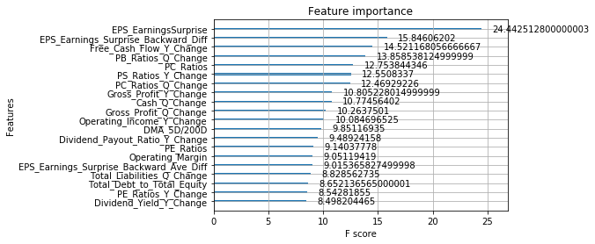
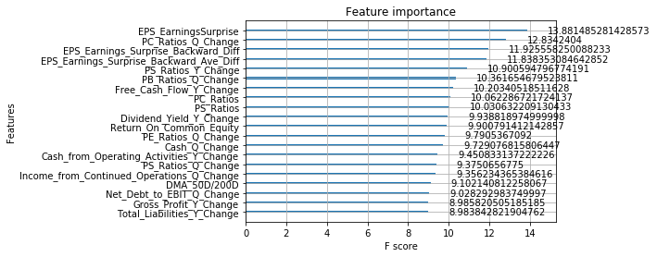
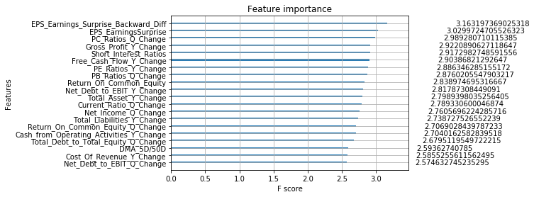
 |  |  |  |  |  |  | ('XPER', '2018 FQ2') | 0
 |  |  |  |  |  |  | ('PEGA', '2018 FQ3') | 0
 |  |  |  |  |  |  | ('SSNC', '2018 FQ3') | 0
 |  |  |  |  |  |  | ('NTNX', '2018 FQ1') | 1
 |  |  |  |  |  |  | ('CRM', '2018 FQ2') | 0
 |  |  |  |  |  |  | ('RP', '2018 FQ2') | 1
 |  |  |  |  |  |  | ('MRVL', '2018 FQ1') | 0
 |  |  |  |  |  |  | ('ZBRA', '2018 FQ1') | 1
 |  |  |  |  |  |  | ('AMAT', '2018 FQ4') | 1
 |  |  |  |  |  |  | ('CNDT', '2018 FQ4') | 0
 |  |  |  |  |  |  | ('NCR', '2018 FQ2') | 0
 |  |  |  |  |  |  | ('TDC', '2018 FQ1') | 1
 |  |  |  |  |  |  | ('SPLK', '2018 FQ2') | 1
 |  |  |  |  |  |  | ('GWRE', '2018 FQ3') | 0
 |  |  |  |  |  |  | ('JKHY', '2018 FQ4') | 1
 |  |  |  |  |  |  | ('BKI', '2018 FQ3') | 1
 |  |  |  |  |  |  | ('NUAN', '2018 FQ4') | 0
 |  |  |  |  |  |  | ('NOW', '2018 FQ1') | 1
 |  |  |  |  |  |  | ('JKHY', '2018 FQ2') | 1
 |  |  |  |  |  |  | ('PEGA', '2018 FQ1') | 0
 |  |  |  |  |  |  | ('NXPI', '2018 FQ3') | 1
 |  |  |  |  |  |  | ('UIS', '2018 FQ3') | 0
 |  |  |  |  |  |  | ('AZPN', '2018 FQ2') | 1
 |  |  |  |  |  |  | ('SSNC', '2018 FQ4') | 1
 |  |  |  |  |  |  | ('ON', '2018 FQ4') | 1
 |  |  |  |  |  |  | ('TDC', '2018 FQ4') | 0
 |  |  |  |  |  |  | ('XLNX', '2018 FQ1') | 0
 |  |  |  |  |  |  | ('MCHP', '2018 FQ1') | 1
 |  |  |  |  |  |  | ('HPE', '2018 FQ3') | 0
 |  |  |  |  |  |  | ('MXIM', '2018 FQ3') | 1
 |  |  |  |  |  |  | ('SPLK', '2018 FQ4') | 1
 |  |  |  |  |  |  | ('DATA', '2018 FQ2') | 1
 |  |  |  |  |  |  | ('ACN', '2018 FQ1') | 1
 |  |  |  |  |  |  | ('IBM', '2018 FQ3') | 0
 |  |  |  |  |  |  | ('PBI', '2018 FQ4') | 0
 |  |  |  |  |  |  | ('QRVO', '2018 FQ2') | 0
 |  |  |  |  |  |  | ('EA', '2018 FQ4') | 1
 |  |  |  |  |  |  | ('CTSH', '2018 FQ1') | 0
 |  |  |  |  |  |  | ('LDOS', '2018 FQ4') | 0
 |  |  |  |  |  |  | ('TXN', '2018 FQ3') | 0
 |  |  |  |  |  |  | ('ADBE', '2018 FQ3') | 0
 |  |  |  |  |  |  | ('SMTC', '2018 FQ3') | 1
 |  |  |  |  |  |  | ('DATA', '2018 FQ3') | 1
 |  |  |  |  |  |  | ('INTC', '2018 FQ2') | 0
 |  |  |  |  |  |  | ('HPE', '2018 FQ2') | 0
 |  |  |  |  |  |  | ('PAYX', '2018 FQ3') | 0
 |  |  |  |  |  |  | ('ULTI', '2018 FQ4') | 0
 |  |  |  |  |  |  | ('PAYX', '2018 FQ1') | 1
 |  |  |  |  |  |  | ('MLNX', '2018 FQ1') | 1
 |  |  |  |  |  |  | ('ZBRA', '2018 FQ2') | 1
 |  |  |  |  |  |  | ('TYL', '2018 FQ1') | 1
 |  |  |  |  |  |  | ('SPLK', '2018 FQ1') | 0
 |  |  |  |  |  |  | ('MLNX', '2018 FQ4') | 1
 |  |  |  |  |  |  | ('DNB', '2018 FQ1') | 1
 |  |  |  |  |  |  | ('ZNGA', '2018 FQ2') | 1
 |  |  |  |  |  |  | ('QCOM', '2018 FQ4') | 1
 |  |  |  |  |  |  | ('XRX', '2018 FQ1') | 0
 |  |  |  |  |  |  | ('PTC', '2018 FQ1') | 1
 |  |  |  |  |  |  | ('TTWO', '2018 FQ3') | 0
 |  |  |  |  |  |  | ('ATVI', '2018 FQ4') | 1
 |  |  |  |  |  |  | ('UIS', '2018 FQ2') | 1
 |  |  |  |  |  |  | ('PAYC', '2018 FQ1') | 0
 |  |  |  |  |  |  | ('ANSS', '2018 FQ2') | 1
 |  |  |  |  |  |  | ('ATVI', '2018 FQ2') | 1
 |  |  |  |  |  |  | ('AZPN', '2018 FQ4') | 1
 |  |  |  |  |  |  | ('NOW', '2018 FQ4') | 1
 |  |  |  |  |  |  | ('SLAB', '2018 FQ3') | 1
 |  |  |  |  |  |  | ('ULTI', '2018 FQ2') | 1
 |  |  |  |  |  |  | ('NOW', '2018 FQ2') | 1
 |  |  |  |  |  |  | ('IPGP', '2018 FQ4') | 1
 |  |  |  |  |  |  | ('UIS', '2018 FQ4') | 0
 |  |  |  |  |  |  | ('SLAB', '2018 FQ4') | 0
 |  |  |  |  |  |  | ('TEAM', '2018 FQ3') | 1
 |  |  |  |  |  |  | ('CNDT', '2018 FQ2') | 1
 |  |  |  |  |  |  | ('AZPN', '2018 FQ3') | 1
 |  |  |  |  |  |  | ('ADBE', '2018 FQ2') | 0
 |  |  |  |  |  |  | ('NXPI', '2018 FQ2') | 0
 |  |  |  |  |  |  | ('HPE', '2018 FQ1') | 1
 |  |  |  |  |  |  | ('WDAY', '2018 FQ1') | 1
 |  |  |  |  |  |  | ('TTWO', '2018 FQ2') | 0
 |  |  |  |  |  |  | ('SLAB', '2018 FQ1') | 1
 |  |  |  |  |  |  | ('TER', '2018 FQ2') | 0
 |  |  |  |  |  |  | ('AZPN', '2018 FQ1') | 0
 |  |  |  |  |  |  | ('SPLK', '2018 FQ3') | 1
 |  |  |  |  |  |  | ('ACN', '2018 FQ4') | 0
 |  |  |  |  |  |  | ('TDC', '2018 FQ2') | 1
 |  |  |  |  |  |  | ('FIS', '2018 FQ2') | 1
 |  |  |  |  |  |  | ('CRM', '2018 FQ1') | 0
 |  |  |  |  |  |  | ('IPGP', '2018 FQ1') | 1
 |  |  |  |  |  |  | ('ADI', '2018 FQ1') | 1
 |  |  |  |  |  |  | ('CA', '2018 FQ4') | 1
 |  |  |  |  |  |  | ('RHT', '2018 FQ1') | 1
 |  |  |  |  |  |  | ('CERN', '2018 FQ4') | 1
 |  |  |  |  |  |  | ('PBI', '2018 FQ3') | 1
 |  |  |  |  |  |  | ('VEEV', '2018 FQ4') | 1
 |  |  |  |  |  |  | ('DOX', '2018 FQ1') | 1
 |  |  |  |  |  |  | ('IPGP', '2018 FQ3') | 0
 |  |  |  |  |  |  | ('BKI', '2018 FQ4') | 1
 |  |  |  |  |  |  | ('CRUS', '2018 FQ1') | 0
 |  |  |  |  |  |  | ('VMW', '2018 FQ4') | 0
 |  |  |  |  |  |  | ('JKHY', '2018 FQ3') | 1
 |  |  |  |  |  |  | ('MXIM', '2018 FQ4') | 0
 |  |  |  |  |  |  | ('ORCL', '2018 FQ3') | 0
 |  |  |  |  |  |  | ('AMD', '2018 FQ1') | 1
 |  |  |  |  |  |  | ('CDNS', '2018 FQ1') | 1
 |  |  |  |  |  |  | ('MTSI', '2018 FQ4') | 1
 |  |  |  |  |  |  | ('FICO', '2018 FQ4') | 0
 |  |  |  |  |  |  | ('CY', '2018 FQ4') | 1
 |  |  |  |  |  |  | ('EPAM', '2018 FQ4') | 1
 |  |  |  |  |  |  | ('DXC', '2018 FQ4') | 0
 |  |  |  |  |  |  | ('CRM', '2018 FQ3') | 0
 |  |  |  |  |  |  | ('NXPI', '2018 FQ4') | 0
 |  |  |  |  |  |  | ('PSTG', '2018 FQ3') | 0
 |  |  |  |  |  |  | ('NOW', '2018 FQ3') | 1
 |  |  |  |  |  |  | ('BR', '2018 FQ2') | 1
 |  |  |  |  |  |  | ('CERN', '2018 FQ2') | 1
 |  |  |  |  |  |  | ('FICO', '2018 FQ1') | 1
 |  |  |  |  |  |  | ('EA', '2018 FQ1') | 1
 |  |  |  |  |  |  | ('TXN', '2018 FQ1') | 1
 |  |  |  |  |  |  | ('MKSI', '2018 FQ3') | 1
 |  |  |  |  |  |  | ('MCHP', '2018 FQ3') | 1
 |  |  |  |  |  |  | ('TER', '2018 FQ4') | 1
 |  |  |  |  |  |  | ('QCOM', '2018 FQ2') | 1
 |  |  |  |  |  |  | ('PAYX', '2018 FQ4') | 0
 |  |  |  |  |  |  | ('MSCI', '2018 FQ4') | 1
 |  |  |  |  |  |  | ('XRX', '2018 FQ4') | 1
 |  |  |  |  |  |  | ('G', '2018 FQ1') | 0
 |  |  |  |  |  |  | ('NTNX', '2018 FQ3') | 0
 |  |  |  |  |  |  | ('TEAM', '2018 FQ4') | 1
 |  |  |  |  |  |  | ('CRUS', '2018 FQ2') | 0
 |  |  |  |  |  |  | ('SSNC', '2018 FQ1') | 1
 |  |  |  |  |  |  | ('AMD', '2018 FQ3') | 0
 |  |  |  |  |  |  | ('G', '2018 FQ3') | 1
 |  |  |  |  |  |  | ('RP', '2018 FQ4') | 0
 |  |  |  |  |  |  | ('AMD', '2018 FQ2') | 1
 |  |  |  |  |  |  | ('PSTG', '2018 FQ2') | 1
 |  |  |  |  |  |  | ('PTC', '2018 FQ4') | 0
 |  |  |  |  |  |  | ('PTC', '2018 FQ3') | 0
 |  |  |  |  |  |  | ('WDAY', '2018 FQ2') | 0
 |  |  |  |  |  |  | ('NCR', '2018 FQ1') | 0
 |  |  |  |  |  |  | ('TXN', '2018 FQ2') | 0
 |  |  |  |  |  |  | ('IDTI', '2018 FQ3') | 0
 |  |  |  |  |  |  | ('AKAM', '2018 FQ4') | 0
 |  |  |  |  |  |  | ('MLNX', '2018 FQ2') | 0
 |  |  |  |  |  |  | ('EA', '2018 FQ2') | 0
 |  |  |  |  |  |  | ('CRM', '2018 FQ4') | 1
 |  |  |  |  |  |  | ('FICO', '2018 FQ2') | 1
 |  |  |  |  |  |  | ('ATHN', '2018 FQ3') | 1
 |  |  |  |  |  |  | ('MRVL', '2018 FQ3') | 0
 |  |  |  |  |  |  | ('RHT', '2018 FQ4') | 1
 |  |  |  |  |  |  | ('NVDA', '2018 FQ3') | 0
 |  |  |  |  |  |  | ('SNPS', '2018 FQ1') | 0
 |  |  |  |  |  |  | ('NVDA', '2018 FQ1') | 1
 |  |  |  |  |  |  | ('CDK', '2018 FQ1') | 1
 |  |  |  |  |  |  | ('INTC', '2018 FQ4') | 1
 |  |  |  |  |  |  | ('PTC', '2018 FQ2') | 1
 |  |  |  |  |  |  | ('ATVI', '2018 FQ3') | 0
 |  |  |  |  |  |  | ('VEEV', '2018 FQ3') | 0
 |  |  |  |  |  |  | ('LRCX', '2018 FQ3') | 0
 |  |  |  |  |  |  | ('GWRE', '2018 FQ4') | 0
 |  |  |  |  |  |  | ('ACN', '2018 FQ3') | 0
 |  |  |  |  |  |  | ('TWLO', '2018 FQ3') | 1
 |  |  |  |  |  |  | ('XLNX', '2018 FQ2') | 0
 |  |  |  |  |  |  | ('QRVO', '2018 FQ4') | 1
 |  |  |  |  |  |  | ('MPWR', '2018 FQ4') | 1
 |  |  |  |  |  |  | ('ZBRA', '2018 FQ4') | 1
 |  |  |  |  |  |  | ('MCHP', '2018 FQ4') | 1
 |  |  |  |  |  |  | ('IBM', '2018 FQ2') | 0
 |  |  |  |  |  |  | ('INTU', '2018 FQ1') | 0
 |  |  |  |  |  |  | ('ADBE', '2018 FQ1') | 1
 |  |  |  |  |  |  | ('LDOS', '2018 FQ1') | 0
 |  |  |  |  |  |  | ('CA', '2018 FQ3') | 1
 |  |  |  |  |  |  | ('MCHP', '2018 FQ2') | 0
 |  |  |  |  |  |  | ('NUAN', '2018 FQ1') | 0
 |  |  |  |  |  |  | ('AKAM', '2018 FQ3') | 1
 |  |  |  |  |  |  | ('SMTC', '2018 FQ4') | 1
 |  |  |  |  |  |  | ('MSFT', '2018 FQ3') | 1
 |  |  |  |  |  |  | ('CNDT', '2018 FQ1') | 1
 |  |  |  |  |  |  | ('AKAM', '2018 FQ1') | 1
 |  |  |  |  |  |  | ('NTAP', '2018 FQ1') | 1
 |  |  |  |  |  |  | ('XPER', '2018 FQ3') | 1
 |  |  |  |  |  |  | ('MU', '2018 FQ1') | 0
 |  |  |  |  |  |  | ('BR', '2018 FQ1') | 1
 |  |  |  |  |  |  | ('STX', '2018 FQ1') | 1
 |  |  |  |  |  |  | ('NTAP', '2018 FQ4') | 1
 |  |  |  |  |  |  | ('MSFT', '2018 FQ2') | 1
 |  |  |  |  |  |  | ('CERN', '2018 FQ1') | 0
 |  |  |  |  |  |  | ('SLAB', '2018 FQ2') | 0
 |  |  |  |  |  |  | ('FISV', '2018 FQ4') | 0
 |  |  |  |  |  |  | ('DOX', '2018 FQ2') | 0
 |  |  |  |  |  |  | ('DOX', '2018 FQ3') | 0
 |  |  |  |  |  |  | ('LRCX', '2018 FQ4') | 0
 |  |  |  |  |  |  | ('MTSI', '2018 FQ1') | 0
 |  |  |  |  |  |  | ('ORCL', '2018 FQ1') | 0
 |  |  |  |  |  |  | ('QRVO', '2018 FQ1') | 1
 |  |  |  |  |  |  | ('ULTI', '2018 FQ3') | 0
 |  |  |  |  |  |  | ('NVDA', '2018 FQ4') | 1
 |  |  |  |  |  |  | ('WDAY', '2018 FQ4') | 1
 |  |  |  |  |  |  | ('TEAM', '2018 FQ2') | 1
 |  |  |  |  |  |  | ('MRVL', '2018 FQ2') | 1
 |  |  |  |  |  |  | ('NTNX', '2018 FQ4') | 0
 |  |  |  |  |  |  | ('PAYC', '2018 FQ2') | 1
 |  |  |  |  |  |  | ('IPGP', '2018 FQ2') | 0
 |  |  |  |  |  |  | ('FISV', '2018 FQ2') | 1
 |  |  |  |  |  |  | ('MSCI', '2018 FQ1') | 1
 |  |  |  |  |  |  | ('CRUS', '2018 FQ4') | 0
 |  |  |  |  |  |  | ('ANSS', '2018 FQ1') | 1
 |  |  |  |  |  |  | ('ACN', '2018 FQ2') | 0
 |  |  |  |  |  |  | ('MSFT', '2018 FQ1') | 1
 |  |  |  |  |  |  | ('CA', '2018 FQ2') | 0
 |  |  |  |  |  |  | ('XPER', '2018 FQ4') | 1
 |  |  |  |  |  |  | ('ADBE', '2018 FQ4') | 0
 |  |  |  |  |  |  | ('MLNX', '2018 FQ3') | 1
 |  |  |  |  |  |  | ('NCR', '2018 FQ4') | 0
 |  |  |  |  |  |  | ('INTU', '2018 FQ3') | 1
 |  |  |  |  |  |  | ('MPWR', '2018 FQ2') | 1
 |  |  |  |  |  |  | ('CTXS', '2018 FQ2') | 1
 |  |  |  |  |  |  | ('MSFT', '2018 FQ4') | 1
 |  |  |  |  |  |  | ('XLNX', '2018 FQ3') | 1
 |  |  |  |  |  |  | ('KLAC', '2018 FQ2') | 1
 |  |  |  |  |  |  | ('CDNS', '2018 FQ2') | 1
 |  |  |  |  |  |  | ('BR', '2018 FQ4') | 1
 |  |  |  |  |  |  | ('QRVO', '2018 FQ3') | 1
 |  |  |  |  |  |  | ('WDC', '2018 FQ2') | 1
 |  |  |  |  |  |  | ('PSTG', '2018 FQ1') | 1
 |  |  |  |  |  |  | ('MSCI', '2018 FQ2') | 1
 |  |  |  |  |  |  | ('CTSH', '2018 FQ3') | 0
 |  |  |  |  |  |  | ('XRX', '2018 FQ2') | 1
 |  |  |  |  |  |  | ('ADSK', '2018 FQ3') | 0
 |  |  |  |  |  |  | ('MXIM', '2018 FQ2') | 1
 |  |  |  |  |  |  | ('CRUS', '2018 FQ3') | 0
 |  |  |  |  |  |  | ('ATHN', '2018 FQ1') | 1
 |  |  |  |  |  |  | ('TTWO', '2018 FQ1') | 1
 |  |  |  |  |  |  | ('WDC', '2018 FQ4') | 0
 |  |  |  |  |  |  | ('FTNT', '2018 FQ2') | 1
 |  |  |  |  |  |  | ('CDK', '2018 FQ3') | 0
 |  |  |  |  |  |  | ('AVGO', '2018 FQ3') | 1
 |  |  |  |  |  |  | ('AMAT', '2018 FQ2') | 0
 |  |  |  |  |  |  | ('CDNS', '2018 FQ4') | 1
 |  |  |  |  |  |  | ('KLAC', '2018 FQ1') | 0
 |  |  |  |  |  |  | ('FIS', '2018 FQ3') | 1
 |  |  |  |  |  |  | ('MU', '2018 FQ4') | 0
 |  |  |  |  |  |  | ('MTSI', '2018 FQ2') | 1
 |  |  |  |  |  |  | ('SSNC', '2018 FQ2') | 1
 |  |  |  |  |  |  | ('ORCL', '2018 FQ4') | 1
 |  |  |  |  |  |  | ('NVDA', '2018 FQ2') | 1
 |  |  |  |  |  |  | ('DOX', '2018 FQ4') | 1
 |  |  |  |  |  |  | ('PSTG', '2018 FQ4') | 0
 |  |  |  |  |  |  | ('XPER', '2018 FQ1') | 0
 |  |  |  |  |  |  | ('MPWR', '2018 FQ3') | 1
 |  |  |  |  |  |  | ('TYL', '2018 FQ3') | 0
 |  |  |  |  |  |  | ('QCOM', '2018 FQ1') | 0
 |  |  |  |  |  |  | ('RHT', '2018 FQ3') | 0
 |  |  |  |  |  |  | ('G', '2018 FQ4') | 1
 |  |  |  |  |  |  | ('SMTC', '2018 FQ1') | 0
 |  |  |  |  |  |  | ('FDC', '2018 FQ1') | 1
 |  |  |  |  |  |  | ('TER', '2018 FQ3') | 1
 |  |  |  |  |  |  | ('PBI', '2018 FQ2') | 0
 |  |  |  |  |  |  | ('ADSK', '2018 FQ4') | 1
 |  |  |  |  |  |  | ('RP', '2018 FQ1') | 1
 |  |  |  |  |  |  | ('ZNGA', '2018 FQ1') | 1
 |  |  |  |  |  |  | ('IDTI', '2018 FQ2') | 0
 |  |  |  |  |  |  | ('ZNGA', '2018 FQ3') | 1
 |  |  |  |  |  |  | ('MU', '2018 FQ3') | 0
 |  |  |  |  |  |  | ('PEGA', '2018 FQ2') | 1
 |  |  |  |  |  |  | ('GWRE', '2018 FQ2') | 1
 |  |  |  |  |  |  | ('CTXS', '2018 FQ4') | 0
 |  |  |  |  |  |  | ('ANSS', '2018 FQ4') | 1
 |  |  |  |  |  |  | ('AAPL', '2018 FQ4') | 0
 |  |  |  |  |  |  | ('ADI', '2018 FQ4') | 1
 |  |  |  |  |  |  | ('STX', '2018 FQ4') | 0
 |  |  |  |  |  |  | ('WDAY', '2018 FQ3') | 0
 |  |  |  |  |  |  | ('AAPL', '2018 FQ2') | 1
 |  |  |  |  |  |  | ('CTXS', '2018 FQ1') | 1
 |  |  |  |  |  |  | ('ATVI', '2018 FQ1') | 1
 |  |  |  |  |  |  | ('AVGO', '2018 FQ4') | 1
 |  |  |  |  |  |  | ('AVGO', '2018 FQ1') | 0
 |  |  |  |  |  |  | ('TTWO', '2018 FQ4') | 1
 |  |  |  |  |  |  | ('LRCX', '2018 FQ1') | 0
 |  |  |  |  |  |  | ('TDC', '2018 FQ3') | 1
 |  |  |  |  |  |  | ('CNDT', '2018 FQ3') | 0
 |  |  |  |  |  |  | ('CTSH', '2018 FQ2') | 0
 |  |  |  |  |  |  | ('AMAT', '2018 FQ3') | 0
 |  |  |  |  |  |  | ('ZBRA', '2018 FQ3') | 1
 |  |  |  |  |  |  | ('ADSK', '2018 FQ1') | 1
 |  |  |  |  |  |  | ('NCR', '2018 FQ3') | 1
 |  |  |  |  |  |  | ('CTSH', '2018 FQ4') | 0
 |  |  |  |  |  |  | ('TEAM', '2018 FQ1') | 1
 |  |  |  |  |  |  | ('ADI', '2018 FQ3') | 0
 |  |  |  |  |  |  | ('RHT', '2018 FQ2') | 1
 |  |  |  |  |  |  | ('CDK', '2018 FQ2') | 0
 |  |  |  |  |  |  | ('FISV', '2018 FQ1') | 1
 |  |  |  |  |  |  | ('IBM', '2018 FQ4') | 1
 |  |  |  |  |  |  | ('FDC', '2018 FQ2') | 1
 |  |  |  |  |  |  | ('ADSK', '2018 FQ2') | 1
 |  |  |  |  |  |  | ('ZNGA', '2018 FQ4') | 1
 |  |  |  |  |  |  | ('WDC', '2018 FQ1') | 0
 |  |  |  |  |  |  | ('SNPS', '2018 FQ2') | 0
 |  |  |  |  |  |  | ('NUAN', '2018 FQ3') | 1
 |  |  |  |  |  |  | ('GWRE', '2018 FQ1') | 0
 |  |  |  |  |  |  | ('INTU', '2018 FQ2') | 1
 |  |  |  |  |  |  | ('STX', '2018 FQ3') | 0
 |  |  |  |  |  |  | ('CDK', '2018 FQ4') | 0
 |  |  |  |  |  |  | ('JKHY', '2018 FQ1') | 1
 |  |  |  |  |  |  | ('DATA', '2018 FQ1') | 1
 |  |  |  |  |  |  | ('LDOS', '2018 FQ2') | 1
 |  |  |  |  |  |  | ('DATA', '2018 FQ4') | 0
 |  |  |  |  |  |  | ('MTSI', '2018 FQ3') | 0
 |  |  |  |  |  |  | ('FDC', '2018 FQ3') | 0
 |  |  |  |  |  |  | ('ANSS', '2018 FQ3') | 1
 |  |  |  |  |  |  | ('FIS', '2018 FQ1') | 1
 |  |  |  |  |  |  | ('AMD', '2018 FQ4') | 1
 |  |  |  |  |  |  | ('PEGA', '2018 FQ4') | 1
 |  |  |  |  |  |  | ('EPAM', '2018 FQ2') | 1
 |  |  |  |  |  |  | ('CA', '2018 FQ1') | 1
 |  |  |  |  |  |  | ('INTU', '2018 FQ4') | 1
 |  |  |  |  |  |  | ('DNB', '2018 FQ2') | 1
 |  |  |  |  |  |  | ('SMTC', '2018 FQ2') | 0
 |  |  |  |  |  |  | ('TWLO', '2018 FQ2') | 1
 |  |  |  |  |  |  | ('MXIM', '2018 FQ1') | 1
 |  |  |  |  |  |  | ('ULTI', '2018 FQ1') | 1
 |  |  |  |  |  |  | ('ADI', '2018 FQ2') | 0
 |  |  |  |  |  |  | ('DNB', '2018 FQ3') | 1
 |  |  |  |  |  |  | ('AMAT', '2018 FQ1') | 1
 |  |  |  |  |  |  | ('MRVL', '2018 FQ4') | 0
 |  |  |  |  |  |  | ('NTAP', '2018 FQ2') | 1
 |  |  |  |  |  |  | ('CY', '2018 FQ1') | 1
 |  |  |  |  |  |  | ('SWKS', '2018 FQ2') | 1
 |  |  |  |  |  |  | ('IDTI', '2018 FQ4') | 1
 |  |  |  |  |  |  | ('NTNX', '2018 FQ2') | 1
 |  |  |  |  |  |  | ('LDOS', '2018 FQ3') | 0
 |  |  |  |  |  |  | ('PBI', '2018 FQ1') | 0
 |  |  |  |  |  |  | ('NTAP', '2018 FQ3') | 1
 |  |  |  |  |  |  | ('KLAC', '2018 FQ4') | 0
 |  |  |  |  |  |  | ('KLAC', '2018 FQ3') | 1
 |  |  |  |  |  |  | ('QCOM', '2018 FQ3') | 1
 |  |  |  |  |  |  | ('MU', '2018 FQ2') | 0
 |  |  |  |  |  |  | ('MKSI', '2018 FQ2') | 0
 |  |  |  |  |  |  | ('VEEV', '2018 FQ1') | 1
 |  |  |  |  |  |  | ('STX', '2018 FQ2') | 1
 |  |  |  |  |  |  | ('TXN', '2018 FQ4') | 1
 |  |  |  |  |  |  | ('INTC', '2018 FQ3') | 1
 |  |  |  |  |  |  | ('MKSI', '2018 FQ4') | 0
 |  |  |  |  |  |  | ('NXPI', '2018 FQ1') | 1
 |  |  |  |  |  |  | ('TYL', '2018 FQ2') | 1
 |  |  |  |  |  |  | ('SWKS', '2018 FQ1') | 1
 |  |  |  |  |  |  | ('FTNT', '2018 FQ4') | 1
 |  |  |  |  |  |  | ('FIS', '2018 FQ4') | 0
 |  |  |  |  |  |  | ('FISV', '2018 FQ3') | 1
 |  |  |  |  |  |  | ('FDC', '2018 FQ4') | 0
 |  |  |  |  |  |  | ('TYL', '2018 FQ4') | 0
 |  |  |  |  |  |  | ('AAPL', '2018 FQ3') | 1
 |  |  |  |  |  |  | ('XLNX', '2018 FQ4') | 1
 |  |  |  |  |  |  | ('HPQ', '2018 FQ2') | 1
 |  |  |  |  |  |  | ('TER', '2018 FQ1') | 0
 |  |  |  |  |  |  | ('TWLO', '2018 FQ4') | 1
 |  |  |  |  |  |  | ('BR', '2018 FQ3') | 1
 |  |  |  |  |  |  | ('ORCL', '2018 FQ2') | 0
 |  |  |  |  |  |  | ('PAYX', '2018 FQ2') | 0
 |  |  |  |  |  |  | ('AAPL', '2018 FQ1') | 1
 |  |  |  |  |  |  | ('RP', '2018 FQ3') | 0

2017
 |  |  |  | 1. Exclude certain data points. These excluded data points are the last two quarters of companies that ceased to trade |  |  |  | Outputs_Classification
Target: |  |  |  | 2. Exclude those quarters during the two financial crisis |  |  | ('GWRE', '2017 FQ4') | 1
2017 Technology | training | 3628 |  | 3. Exclude any data points before 2003 |  |  | ('PEGA', '2017 FQ2') | 0
 | validation | 403 | 10% |  |  |  | ('SWKS', '2017 FQ4') | 0
 | testing | 373 |  |  |  |  | ('TXN', '2017 FQ4') | 0
 |  |  |  |  |  |  | ('EPAM', '2017 FQ3') | 1
Model Params |  |  |  | Model Params | Model Params | Model Params | ('MTSI', '2017 FQ2') | 1
GA results:eta = 0.040000, max_depth = 10, colsample_bytree = 0.960000, subsample = 0.760000, gamma = 0.980000, min_child_weight = 3 |  |  |  | GA results:eta = 0.020000, max_depth = 3, colsample_bytree = 0.940000, subsample = 0.320000, gamma = 0.580000, min_child_weight = 7 | GA results:eta = 0.080000, max_depth = 2, colsample_bytree = 0.300000, subsample = 0.900000, gamma = 0.000000, min_child_weight = 2 |  | ('MU', '2017 FQ1') | 1
 |  |  |  |  |  |  | ('ON', '2017 FQ4') | 1
 |  |  |  |  |  |  | ('PAYX', '2017 FQ3') | 0
 |  |  |  |  |  |  | ('PTC', '2017 FQ4') | 1
 |  |  |  |  |  |  | ('EPAM', '2017 FQ1') | 1
 |  |  |  |  |  |  | ('ATHN', '2017 FQ4') | 1
Results |  |  |  | Results | Results | Results | ('MU', '2017 FQ2') | 1
Accuracy: 60.59% |  |  |  | Accuracy: 57.10% | Accuracy: 59.52% | Accuracy: 57.91% | ('NXPI', '2017 FQ2') | 1
 |  |  |  |  |  |  | ('RP', '2017 FQ3') | 1
--precision = 0.605898, recall = 0.605898 |  |  |  | --precision = 0.571046, recall = 0.571046 | --precision = 0.595174, recall = 0.595174 | --precision = 0.579088, recall = 0.579088 | ('MRVL', '2017 FQ2') | 1
 |  |  |  |  |  |  | ('HPE', '2017 FQ3') | 1
--precision = 0.605898, recall = 0.605898 |  |  |  | --precision = 0.571046, recall = 0.571046 | --precision = 0.595174, recall = 0.595174 | --precision = 0.579088, recall = 0.579088 | ('AKAM', '2017 FQ2') | 0
 |  |  |  |  |  |  | ('SSNC', '2017 FQ1') | 0
precision recall f1-score support |  |  |  | precision recall f1-score support | precision recall f1-score support | precision recall f1-score support | ('FTNT', '2017 FQ1') | 0
 |  |  |  |  |  |  | ('IBM', '2017 FQ2') | 0
class 0.0 0.57 0.41 0.48 164 |  |  |  | class 0.0 0.52 0.37 0.43 164 | class 0.0 0.55 0.42 0.48 164 | class 0.0 0.53 0.37 0.44 164 | ('MSCI', '2017 FQ4') | 1
class 1.0 0.62 0.76 0.68 209 |  |  |  | class 1.0 0.60 0.73 0.66 209 | class 1.0 0.62 0.73 0.67 209 | class 1.0 0.60 0.74 0.66 209 | ('CNDT', '2017 FQ4') | 1
 |  |  |  |  |  |  | ('ANSS', '2017 FQ1') | 1
micro avg 0.61 0.61 0.61 373 |  |  |  | micro avg 0.57 0.57 0.57 373 | micro avg 0.60 0.60 0.60 373 | micro avg 0.58 0.58 0.58 373 | ('TDC', '2017 FQ3') | 1
macro avg 0.60 0.58 0.58 373 |  |  |  | macro avg 0.56 0.55 0.54 373 | macro avg 0.58 0.58 0.57 373 | macro avg 0.57 0.56 0.55 373 | ('HPQ', '2017 FQ3') | 1
weighted avg 0.60 0.61 0.59 373 |  |  |  | weighted avg 0.56 0.57 0.56 373 | weighted avg 0.59 0.60 0.59 373 | weighted avg 0.57 0.58 0.56 373 | ('PAYC', '2017 FQ2') | 1
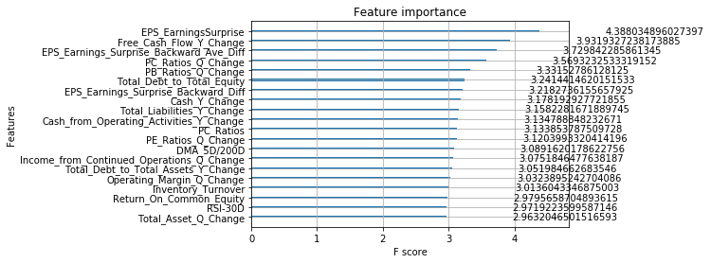
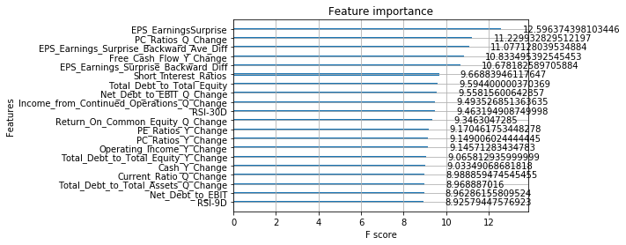
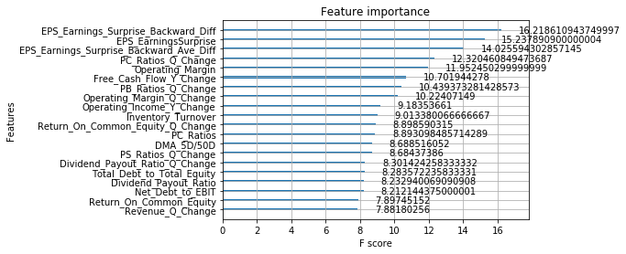
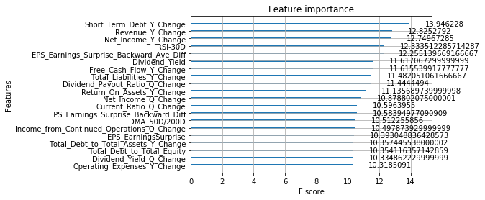
 |  |  |  |  |  |  | ('ATHN', '2017 FQ1') | 1
 |  |  |  |  |  |  | ('IBM', '2017 FQ4') | 0
 |  |  |  |  |  |  | ('AAPL', '2017 FQ4') | 0
 |  |  |  |  |  |  | ('ULTI', '2017 FQ3') | 1
 |  |  |  |  |  |  | ('PEGA', '2017 FQ3') | 0
 |  |  |  |  |  |  | ('GWRE', '2017 FQ2') | 1
 |  |  |  |  |  |  | ('TER', '2017 FQ1') | 1
 |  |  |  |  |  |  | ('MU', '2017 FQ4') | 1
 |  |  |  |  |  |  | ('ADSK', '2017 FQ4') | 0
 |  |  |  |  |  |  | ('PTC', '2017 FQ3') | 0
 |  |  |  |  |  |  | ('CSC', '2017 FQ1') | 1
 |  |  |  |  |  |  | ('HPE', '2017 FQ4') | 1
 |  |  |  |  |  |  | ('JKHY', '2017 FQ2') | 1
 |  |  |  |  |  |  | ('PBI', '2017 FQ3') | 0
 |  |  |  |  |  |  | ('XRX', '2017 FQ3') | 0
 |  |  |  |  |  |  | ('MPWR', '2017 FQ2') | 0
 |  |  |  |  |  |  | ('ZNGA', '2017 FQ1') | 1
 |  |  |  |  |  |  | ('MKSI', '2017 FQ2') | 1
 |  |  |  |  |  |  | ('TXN', '2017 FQ3') | 0
 |  |  |  |  |  |  | ('ADSK', '2017 FQ2') | 1
 |  |  |  |  |  |  | ('BR', '2017 FQ1') | 0
 |  |  |  |  |  |  | ('WDC', '2017 FQ4') | 0
 |  |  |  |  |  |  | ('CDNS', '2017 FQ3') | 0
 |  |  |  |  |  |  | ('TWLO', '2017 FQ4') | 1
 |  |  |  |  |  |  | ('CY', '2017 FQ2') | 0
 |  |  |  |  |  |  | ('SWKS', '2017 FQ2') | 1
 |  |  |  |  |  |  | ('XLNX', '2017 FQ3') | 0
 |  |  |  |  |  |  | ('FIS', '2017 FQ3') | 0
 |  |  |  |  |  |  | ('ATHN', '2017 FQ2') | 0
 |  |  |  |  |  |  | ('ZBRA', '2017 FQ4') | 1
 |  |  |  |  |  |  | ('MXIM', '2017 FQ4') | 0
 |  |  |  |  |  |  | ('ULTI', '2017 FQ1') | 1
 |  |  |  |  |  |  | ('AMAT', '2017 FQ3') | 1
 |  |  |  |  |  |  | ('MLNX', '2017 FQ3') | 1
 |  |  |  |  |  |  | ('ADBE', '2017 FQ1') | 1
 |  |  |  |  |  |  | ('CRUS', '2017 FQ1') | 1
 |  |  |  |  |  |  | ('XLNX', '2017 FQ1') | 1
 |  |  |  |  |  |  | ('MLNX', '2017 FQ1') | 0
 |  |  |  |  |  |  | ('ADSK', '2017 FQ3') | 1
 |  |  |  |  |  |  | ('AZPN', '2017 FQ4') | 1
 |  |  |  |  |  |  | ('QCOM', '2017 FQ1') | 0
 |  |  |  |  |  |  | ('AAPL', '2017 FQ2') | 0
 |  |  |  |  |  |  | ('HPE', '2017 FQ2') | 0
 |  |  |  |  |  |  | ('PAYX', '2017 FQ2') | 0
 |  |  |  |  |  |  | ('TDC', '2017 FQ2') | 1
 |  |  |  |  |  |  | ('DATA', '2017 FQ3') | 0
 |  |  |  |  |  |  | ('STX', '2017 FQ4') | 0
 |  |  |  |  |  |  | ('ANSS', '2017 FQ4') | 0
 |  |  |  |  |  |  | ('LRCX', '2017 FQ2') | 0
 |  |  |  |  |  |  | ('FIS', '2017 FQ2') | 0
 |  |  |  |  |  |  | ('MXIM', '2017 FQ2') | 1
 |  |  |  |  |  |  | ('TTWO', '2017 FQ3') | 1
 |  |  |  |  |  |  | ('EA', '2017 FQ1') | 1
 |  |  |  |  |  |  | ('PBI', '2017 FQ4') | 1
 |  |  |  |  |  |  | ('STX', '2017 FQ3') | 0
 |  |  |  |  |  |  | ('XRX', '2017 FQ2') | 1
 |  |  |  |  |  |  | ('KLAC', '2017 FQ3') | 0
 |  |  |  |  |  |  | ('FTNT', '2017 FQ3') | 1
 |  |  |  |  |  |  | ('TWLO', '2017 FQ3') | 0
 |  |  |  |  |  |  | ('CA', '2017 FQ3') | 0
 |  |  |  |  |  |  | ('JKHY', '2017 FQ1') | 1
 |  |  |  |  |  |  | ('ZNGA', '2017 FQ2') | 1
 |  |  |  |  |  |  | ('PAYC', '2017 FQ4') | 1
 |  |  |  |  |  |  | ('ORCL', '2017 FQ2') | 0
 |  |  |  |  |  |  | ('AAPL', '2017 FQ1') | 1
 |  |  |  |  |  |  | ('AZPN', '2017 FQ1') | 1
 |  |  |  |  |  |  | ('TER', '2017 FQ2') | 0
 |  |  |  |  |  |  | ('TEAM', '2017 FQ3') | 1
 |  |  |  |  |  |  | ('MKSI', '2017 FQ3') | 0
 |  |  |  |  |  |  | ('EA', '2017 FQ4') | 1
 |  |  |  |  |  |  | ('XPER', '2017 FQ1') | 0
 |  |  |  |  |  |  | ('AMD', '2017 FQ4') | 0
 |  |  |  |  |  |  | ('ACN', '2017 FQ2') | 0
 |  |  |  |  |  |  | ('NCR', '2017 FQ4') | 0
 |  |  |  |  |  |  | ('AVGO', '2017 FQ4') | 0
 |  |  |  |  |  |  | ('XPER', '2017 FQ3') | 1
 |  |  |  |  |  |  | ('MTSI', '2017 FQ4') | 0
 |  |  |  |  |  |  | ('DNB', '2017 FQ3') | 1
 |  |  |  |  |  |  | ('CERN', '2017 FQ3') | 0
 |  |  |  |  |  |  | ('TTWO', '2017 FQ1') | 1
 |  |  |  |  |  |  | ('DOX', '2017 FQ1') | 1
 |  |  |  |  |  |  | ('SPLK', '2017 FQ2') | 0
 |  |  |  |  |  |  | ('MPWR', '2017 FQ1') | 1
 |  |  |  |  |  |  | ('INTU', '2017 FQ3') | 1
 |  |  |  |  |  |  | ('AMAT', '2017 FQ1') | 1
 |  |  |  |  |  |  | ('NCR', '2017 FQ3') | 0
 |  |  |  |  |  |  | ('SNPS', '2017 FQ2') | 0
 |  |  |  |  |  |  | ('FIS', '2017 FQ4') | 1
 |  |  |  |  |  |  | ('CTXS', '2017 FQ2') | 0
 |  |  |  |  |  |  | ('FDC', '2017 FQ4') | 0
 |  |  |  |  |  |  | ('CY', '2017 FQ4') | 1
 |  |  |  |  |  |  | ('RHT', '2017 FQ2') | 1
 |  |  |  |  |  |  | ('FIS', '2017 FQ1') | 0
 |  |  |  |  |  |  | ('TYL', '2017 FQ1') | 1
 |  |  |  |  |  |  | ('EA', '2017 FQ3') | 1
 |  |  |  |  |  |  | ('EPAM', '2017 FQ2') | 0
 |  |  |  |  |  |  | ('AZPN', '2017 FQ3') | 0
 |  |  |  |  |  |  | ('SSNC', '2017 FQ4') | 1
 |  |  |  |  |  |  | ('FICO', '2017 FQ3') | 0
 |  |  |  |  |  |  | ('FISV', '2017 FQ1') | 1
 |  |  |  |  |  |  | ('CRM', '2017 FQ3') | 0
 |  |  |  |  |  |  | ('MPWR', '2017 FQ3') | 0
 |  |  |  |  |  |  | ('PEGA', '2017 FQ1') | 1
 |  |  |  |  |  |  | ('AAPL', '2017 FQ3') | 1
 |  |  |  |  |  |  | ('PAYC', '2017 FQ1') | 1
 |  |  |  |  |  |  | ('AVGO', '2017 FQ3') | 0
 |  |  |  |  |  |  | ('NUAN', '2017 FQ2') | 1
 |  |  |  |  |  |  | ('DATA', '2017 FQ4') | 1
 |  |  |  |  |  |  | ('TXN', '2017 FQ1') | 0
 |  |  |  |  |  |  | ('MKSI', '2017 FQ4') | 1
 |  |  |  |  |  |  | ('CDK', '2017 FQ1') | 1
 |  |  |  |  |  |  | ('INTU', '2017 FQ2') | 0
 |  |  |  |  |  |  | ('QCOM', '2017 FQ3') | 0
 |  |  |  |  |  |  | ('CAVM', '2017 FQ1') | 1
 |  |  |  |  |  |  | ('CRUS', '2017 FQ2') | 1
 |  |  |  |  |  |  | ('ATVI', '2017 FQ1') | 1
 |  |  |  |  |  |  | ('SNPS', '2017 FQ1') | 1
 |  |  |  |  |  |  | ('TEAM', '2017 FQ4') | 0
 |  |  |  |  |  |  | ('SLAB', '2017 FQ3') | 0
 |  |  |  |  |  |  | ('SSNC', '2017 FQ2') | 0
 |  |  |  |  |  |  | ('CRUS', '2017 FQ4') | 0
 |  |  |  |  |  |  | ('CTSH', '2017 FQ2') | 1
 |  |  |  |  |  |  | ('RP', '2017 FQ1') | 0
 |  |  |  |  |  |  | ('MRVL', '2017 FQ3') | 1
 |  |  |  |  |  |  | ('PSTG', '2017 FQ3') | 0
 |  |  |  |  |  |  | ('TTWO', '2017 FQ4') | 1
 |  |  |  |  |  |  | ('RHT', '2017 FQ4') | 1
 |  |  |  |  |  |  | ('NTAP', '2017 FQ2') | 0
 |  |  |  |  |  |  | ('FTNT', '2017 FQ4') | 1
 |  |  |  |  |  |  | ('AKAM', '2017 FQ1') | 0
 |  |  |  |  |  |  | ('MLNX', '2017 FQ4') | 1
 |  |  |  |  |  |  | ('PAYC', '2017 FQ3') | 0
 |  |  |  |  |  |  | ('CRM', '2017 FQ1') | 0
 |  |  |  |  |  |  | ('TYL', '2017 FQ4') | 1
 |  |  |  |  |  |  | ('ATHN', '2017 FQ3') | 1
 |  |  |  |  |  |  | ('SLAB', '2017 FQ1') | 0
 |  |  |  |  |  |  | ('FDC', '2017 FQ1') | 1
 |  |  |  |  |  |  | ('NCR', '2017 FQ1') | 0
 |  |  |  |  |  |  | ('MPWR', '2017 FQ4') | 1
 |  |  |  |  |  |  | ('MU', '2017 FQ3') | 0
 |  |  |  |  |  |  | ('G', '2017 FQ3') | 1
 |  |  |  |  |  |  | ('SWKS', '2017 FQ3') | 0
 |  |  |  |  |  |  | ('TDC', '2017 FQ4') | 1
 |  |  |  |  |  |  | ('G', '2017 FQ1') | 1
 |  |  |  |  |  |  | ('VEEV', '2017 FQ3') | 0
 |  |  |  |  |  |  | ('LRCX', '2017 FQ1') | 0
 |  |  |  |  |  |  | ('MRVL', '2017 FQ4') | 0
 |  |  |  |  |  |  | ('NOW', '2017 FQ3') | 0
 |  |  |  |  |  |  | ('HPE', '2017 FQ1') | 0
 |  |  |  |  |  |  | ('LDOS', '2017 FQ2') | 1
 |  |  |  |  |  |  | ('CA', '2017 FQ2') | 0
 |  |  |  |  |  |  | ('ZBRA', '2017 FQ2') | 1
 |  |  |  |  |  |  | ('MCHP', '2017 FQ1') | 1
 |  |  |  |  |  |  | ('WDC', '2017 FQ1') | 1
 |  |  |  |  |  |  | ('STX', '2017 FQ2') | 1
 |  |  |  |  |  |  | ('LRCX', '2017 FQ4') | 1
 |  |  |  |  |  |  | ('ADBE', '2017 FQ2') | 1
 |  |  |  |  |  |  | ('CRM', '2017 FQ2') | 0
 |  |  |  |  |  |  | ('ULTI', '2017 FQ4') | 1
 |  |  |  |  |  |  | ('AKAM', '2017 FQ3') | 1
 |  |  |  |  |  |  | ('AMD', '2017 FQ2') | 0
 |  |  |  |  |  |  | ('XLNX', '2017 FQ2') | 1
 |  |  |  |  |  |  | ('XPER', '2017 FQ2') | 0
 |  |  |  |  |  |  | ('NUAN', '2017 FQ1') | 1
 |  |  |  |  |  |  | ('ADI', '2017 FQ2') | 0
 |  |  |  |  |  |  | ('XPER', '2017 FQ4') | 1
 |  |  |  |  |  |  | ('TER', '2017 FQ4') | 1
 |  |  |  |  |  |  | ('BR', '2017 FQ2') | 0
 |  |  |  |  |  |  | ('IPGP', '2017 FQ2') | 1
 |  |  |  |  |  |  | ('NTAP', '2017 FQ1') | 1
 |  |  |  |  |  |  | ('LRCX', '2017 FQ3') | 1
 |  |  |  |  |  |  | ('MXIM', '2017 FQ1') | 0
 |  |  |  |  |  |  | ('MKSI', '2017 FQ1') | 1
 |  |  |  |  |  |  | ('FISV', '2017 FQ3') | 0
 |  |  |  |  |  |  | ('FICO', '2017 FQ4') | 1
 |  |  |  |  |  |  | ('DOX', '2017 FQ3') | 0
 |  |  |  |  |  |  | ('TEAM', '2017 FQ2') | 0
 |  |  |  |  |  |  | ('SNPS', '2017 FQ4') | 0
 |  |  |  |  |  |  | ('MSCI', '2017 FQ2') | 1
 |  |  |  |  |  |  | ('ULTI', '2017 FQ2') | 0
 |  |  |  |  |  |  | ('NVDA', '2017 FQ4') | 0
 |  |  |  |  |  |  | ('ATVI', '2017 FQ2') | 1
 |  |  |  |  |  |  | ('SLAB', '2017 FQ4') | 1
 |  |  |  |  |  |  | ('NXPI', '2017 FQ4') | 1
 |  |  |  |  |  |  | ('ZBRA', '2017 FQ1') | 1
 |  |  |  |  |  |  | ('XRX', '2017 FQ4') | 0
 |  |  |  |  |  |  | ('FISV', '2017 FQ4') | 1
 |  |  |  |  |  |  | ('PTC', '2017 FQ2') | 1
 |  |  |  |  |  |  | ('ORCL', '2017 FQ4') | 1
 |  |  |  |  |  |  | ('ANSS', '2017 FQ3') | 1
 |  |  |  |  |  |  | ('ADBE', '2017 FQ4') | 1
 |  |  |  |  |  |  | ('MSFT', '2017 FQ2') | 0
 |  |  |  |  |  |  | ('ADBE', '2017 FQ3') | 1
 |  |  |  |  |  |  | ('MSFT', '2017 FQ3') | 1
 |  |  |  |  |  |  | ('STX', '2017 FQ1') | 1
 |  |  |  |  |  |  | ('PSTG', '2017 FQ2') | 1
 |  |  |  |  |  |  | ('FDC', '2017 FQ3') | 0
 |  |  |  |  |  |  | ('ACN', '2017 FQ3') | 1
 |  |  |  |  |  |  | ('CTXS', '2017 FQ4') | 1
 |  |  |  |  |  |  | ('MSFT', '2017 FQ1') | 1
 |  |  |  |  |  |  | ('TWLO', '2017 FQ2') | 1
 |  |  |  |  |  |  | ('G', '2017 FQ4') | 0
 |  |  |  |  |  |  | ('BR', '2017 FQ3') | 1
 |  |  |  |  |  |  | ('WDAY', '2017 FQ4') | 0
 |  |  |  |  |  |  | ('HPQ', '2017 FQ1') | 1
 |  |  |  |  |  |  | ('PSTG', '2017 FQ4') | 0
 |  |  |  |  |  |  | ('PTC', '2017 FQ1') | 1
 |  |  |  |  |  |  | ('GWRE', '2017 FQ3') | 1
 |  |  |  |  |  |  | ('MXIM', '2017 FQ3') | 1
 |  |  |  |  |  |  | ('NCR', '2017 FQ2') | 0
 |  |  |  |  |  |  | ('ORCL', '2017 FQ1') | 0
 |  |  |  |  |  |  | ('NOW', '2017 FQ4') | 1
 |  |  |  |  |  |  | ('TTWO', '2017 FQ2') | 1
 |  |  |  |  |  |  | ('TWLO', '2017 FQ1') | 0
 |  |  |  |  |  |  | ('UIS', '2017 FQ3') | 0
 |  |  |  |  |  |  | ('QRVO', '2017 FQ3') | 1
 |  |  |  |  |  |  | ('FICO', '2017 FQ2') | 0
 |  |  |  |  |  |  | ('WDAY', '2017 FQ1') | 1
 |  |  |  |  |  |  | ('NOW', '2017 FQ2') | 1
 |  |  |  |  |  |  | ('KLAC', '2017 FQ1') | 1
 |  |  |  |  |  |  | ('WDC', '2017 FQ2') | 0
 |  |  |  |  |  |  | ('FTNT', '2017 FQ2') | 0
 |  |  |  |  |  |  | ('MCHP', '2017 FQ3') | 1
 |  |  |  |  |  |  | ('VEEV', '2017 FQ2') | 1
 |  |  |  |  |  |  | ('SMTC', '2017 FQ4') | 0
 |  |  |  |  |  |  | ('CERN', '2017 FQ4') | 0
 |  |  |  |  |  |  | ('DNB', '2017 FQ4') | 1
 |  |  |  |  |  |  | ('AKAM', '2017 FQ4') | 1
 |  |  |  |  |  |  | ('IDTI', '2017 FQ2') | 1
 |  |  |  |  |  |  | ('CDK', '2017 FQ2') | 1
 |  |  |  |  |  |  | ('SPLK', '2017 FQ4') | 0
 |  |  |  |  |  |  | ('CTSH', '2017 FQ4') | 1
 |  |  |  |  |  |  | ('MTSI', '2017 FQ3') | 0
 |  |  |  |  |  |  | ('SSNC', '2017 FQ3') | 0
 |  |  |  |  |  |  | ('MSCI', '2017 FQ3') | 1
 |  |  |  |  |  |  | ('NVDA', '2017 FQ3') | 1
 |  |  |  |  |  |  | ('DOX', '2017 FQ2') | 1
 |  |  |  |  |  |  | ('PEGA', '2017 FQ4') | 1
 |  |  |  |  |  |  | ('TYL', '2017 FQ2') | 0
 |  |  |  |  |  |  | ('ACN', '2017 FQ4') | 1
 |  |  |  |  |  |  | ('TYL', '2017 FQ3') | 1
 |  |  |  |  |  |  | ('QCOM', '2017 FQ2') | 1
 |  |  |  |  |  |  | ('CNDT', '2017 FQ3') | 0
 |  |  |  |  |  |  | ('TER', '2017 FQ3') | 0
 |  |  |  |  |  |  | ('AMD', '2017 FQ3') | 0
 |  |  |  |  |  |  | ('LDOS', '2017 FQ4') | 1
 |  |  |  |  |  |  | ('NUAN', '2017 FQ4') | 1
 |  |  |  |  |  |  | ('PBI', '2017 FQ2') | 0
 |  |  |  |  |  |  | ('CAVM', '2017 FQ4') | 1
 |  |  |  |  |  |  | ('RP', '2017 FQ4') | 1
 |  |  |  |  |  |  | ('WDAY', '2017 FQ2') | 1
 |  |  |  |  |  |  | ('KLAC', '2017 FQ2') | 1
 |  |  |  |  |  |  | ('WDAY', '2017 FQ3') | 0
 |  |  |  |  |  |  | ('ATVI', '2017 FQ3') | 0
 |  |  |  |  |  |  | ('INTC', '2017 FQ2') | 1
 |  |  |  |  |  |  | ('ORCL', '2017 FQ3') | 1
 |  |  |  |  |  |  | ('CTXS', '2017 FQ3') | 1
 |  |  |  |  |  |  | ('ANSS', '2017 FQ2') | 1
 |  |  |  |  |  |  | ('SMTC', '2017 FQ2') | 0
 |  |  |  |  |  |  | ('ADI', '2017 FQ1') | 1
 |  |  |  |  |  |  | ('IPGP', '2017 FQ1') | 1
 |  |  |  |  |  |  | ('IDTI', '2017 FQ3') | 0
 |  |  |  |  |  |  | ('SMTC', '2017 FQ1') | 0
 |  |  |  |  |  |  | ('IBM', '2017 FQ1') | 0
 |  |  |  |  |  |  | ('G', '2017 FQ2') | 0
 |  |  |  |  |  |  | ('UIS', '2017 FQ1') | 1
 |  |  |  |  |  |  | ('AVGO', '2017 FQ2') | 1
 |  |  |  |  |  |  | ('DNB', '2017 FQ2') | 0
 |  |  |  |  |  |  | ('FICO', '2017 FQ1') | 1
 |  |  |  |  |  |  | ('INTU', '2017 FQ4') | 0
 |  |  |  |  |  |  | ('DNB', '2017 FQ1') | 0
 |  |  |  |  |  |  | ('CAVM', '2017 FQ3') | 1
 |  |  |  |  |  |  | ('CY', '2017 FQ3') | 0
 |  |  |  |  |  |  | ('INTU', '2017 FQ1') | 0
 |  |  |  |  |  |  | ('TEAM', '2017 FQ1') | 0
 |  |  |  |  |  |  | ('ADI', '2017 FQ3') | 1
 |  |  |  |  |  |  | ('AVGO', '2017 FQ1') | 0
 |  |  |  |  |  |  | ('MCHP', '2017 FQ2') | 0
 |  |  |  |  |  |  | ('DOX', '2017 FQ4') | 1
 |  |  |  |  |  |  | ('IBM', '2017 FQ3') | 1
 |  |  |  |  |  |  | ('DATA', '2017 FQ2') | 1
 |  |  |  |  |  |  | ('CAVM', '2017 FQ2') | 1
 |  |  |  |  |  |  | ('QRVO', '2017 FQ2') | 0
 |  |  |  |  |  |  | ('WDC', '2017 FQ3') | 0
 |  |  |  |  |  |  | ('NXPI', '2017 FQ1') | 1
 |  |  |  |  |  |  | ('CRM', '2017 FQ4') | 1
 |  |  |  |  |  |  | ('MRVL', '2017 FQ1') | 1
 |  |  |  |  |  |  | ('CDNS', '2017 FQ1') | 1
 |  |  |  |  |  |  | ('IPGP', '2017 FQ3') | 0
 |  |  |  |  |  |  | ('MCHP', '2017 FQ4') | 1
 |  |  |  |  |  |  | ('ADSK', '2017 FQ1') | 0
 |  |  |  |  |  |  | ('ZNGA', '2017 FQ3') | 1
 |  |  |  |  |  |  | ('QRVO', '2017 FQ1') | 0
 |  |  |  |  |  |  | ('ZNGA', '2017 FQ4') | 1
 |  |  |  |  |  |  | ('NTNX', '2017 FQ4') | 1
 |  |  |  |  |  |  | ('LDOS', '2017 FQ3') | 0
 |  |  |  |  |  |  | ('MTSI', '2017 FQ1') | 0
 |  |  |  |  |  |  | ('CRUS', '2017 FQ3') | 0
 |  |  |  |  |  |  | ('INTC', '2017 FQ4') | 1
 |  |  |  |  |  |  | ('EPAM', '2017 FQ4') | 1
 |  |  |  |  |  |  | ('ACN', '2017 FQ1') | 0
 |  |  |  |  |  |  | ('CDNS', '2017 FQ2') | 1
 |  |  |  |  |  |  | ('CERN', '2017 FQ1') | 1
 |  |  |  |  |  |  | ('GWRE', '2017 FQ1') | 0
 |  |  |  |  |  |  | ('SPLK', '2017 FQ3') | 0
 |  |  |  |  |  |  | ('PAYX', '2017 FQ1') | 0
 |  |  |  |  |  |  | ('ZBRA', '2017 FQ3') | 0
 |  |  |  |  |  |  | ('CTXS', '2017 FQ1') | 0
 |  |  |  |  |  |  | ('CERN', '2017 FQ2') | 1
 |  |  |  |  |  |  | ('JKHY', '2017 FQ3') | 1
 |  |  |  |  |  |  | ('SLAB', '2017 FQ2') | 1
 |  |  |  |  |  |  | ('NTAP', '2017 FQ3') | 1
 |  |  |  |  |  |  | ('DATA', '2017 FQ1') | 1
 |  |  |  |  |  |  | ('SWKS', '2017 FQ1') | 1
 |  |  |  |  |  |  | ('KLAC', '2017 FQ4') | 0
 |  |  |  |  |  |  | ('NXPI', '2017 FQ3') | 0
 |  |  |  |  |  |  | ('QRVO', '2017 FQ4') | 1
 |  |  |  |  |  |  | ('UIS', '2017 FQ2') | 0
 |  |  |  |  |  |  | ('ADI', '2017 FQ4') | 0
 |  |  |  |  |  |  | ('CDK', '2017 FQ3') | 0
 |  |  |  |  |  |  | ('CDK', '2017 FQ4') | 0
 |  |  |  |  |  |  | ('QCOM', '2017 FQ4') | 1
 |  |  |  |  |  |  | ('ATVI', '2017 FQ4') | 1
 |  |  |  |  |  |  | ('AMAT', '2017 FQ2') | 0
 |  |  |  |  |  |  | ('IPGP', '2017 FQ4') | 0
 |  |  |  |  |  |  | ('NTAP', '2017 FQ4') | 0
 |  |  |  |  |  |  | ('INTC', '2017 FQ3') | 1
 |  |  |  |  |  |  | ('AMAT', '2017 FQ4') | 0
 |  |  |  |  |  |  | ('CA', '2017 FQ4') | 1
 |  |  |  |  |  |  | ('BR', '2017 FQ4') | 1
 |  |  |  |  |  |  | ('TXN', '2017 FQ2') | 1
 |  |  |  |  |  |  | ('NVDA', '2017 FQ1') | 1
 |  |  |  |  |  |  | ('RHT', '2017 FQ3') | 0
 |  |  |  |  |  |  | ('FISV', '2017 FQ2') | 0
 |  |  |  |  |  |  | ('LDOS', '2017 FQ1') | 1
 |  |  |  |  |  |  | ('VEEV', '2017 FQ4') | 1
 |  |  |  |  |  |  | ('XRX', '2017 FQ1') | 0
 |  |  |  |  |  |  | ('XLNX', '2017 FQ4') | 1
 |  |  |  |  |  |  | ('HPQ', '2017 FQ4') | 0
 |  |  |  |  |  |  | ('NUAN', '2017 FQ3') | 0
 |  |  |  |  |  |  | ('PBI', '2017 FQ1') | 1
 |  |  |  |  |  |  | ('MSFT', '2017 FQ4') | 1
 |  |  |  |  |  |  | ('MSCI', '2017 FQ1') | 1
 |  |  |  |  |  |  | ('CY', '2017 FQ1') | 0
 |  |  |  |  |  |  | ('SMTC', '2017 FQ3') | 1
 |  |  |  |  |  |  | ('MLNX', '2017 FQ2') | 1

2016
 |  |  |  | 1. Exclude certain data points. These excluded data points are the last two quarters of companies that ceased to trade |  |  |  | Outputs_Classification
Target: |  |  |  | 2. Exclude those quarters during the two financial crisis |  |  | ('RHT', '2016 FQ1') | 1
2016 Technology | training | 3628 |  | 3. Exclude any data points before 2003 |  |  | ('XPER', '2016 FQ2') | 1
 | validation | 403 | 10% |  |  |  | ('CAVM', '2016 FQ2') | 1
 | testing | 373 |  |  |  |  | ('PBI', '2016 FQ3') | 0
 |  |  |  |  |  |  | ('UIS', '2016 FQ4') | 0
Model Params |  |  |  | Model Params | Model Params | Model Params | ('QCOM', '2016 FQ3') | 1
GA results:eta = 0.220000, max_depth = 2, colsample_bytree = 0.300000, subsample = 0.500000, gamma = 0.340000, min_child_weight = 9 |  |  |  | GA results:eta = 0.360000, max_depth = 1, colsample_bytree = 0.760000, subsample = 0.560000, gamma = 0.320000, min_child_weight = 8 | GA results:eta = 0.120000, max_depth = 1, colsample_bytree = 0.840000, subsample = 0.960000, gamma = 0.620000, min_child_weight = 3 | GA results:eta = 0.020000, max_depth = 3, colsample_bytree = 0.280000, subsample = 0.840000, gamma = 0.240000, min_child_weight = 8 | ('FISV', '2016 FQ1') | 1
 |  |  |  |  |  |  | ('ANSS', '2016 FQ1') | 0
 |  |  |  |  |  |  | ('CTSH', '2016 FQ2') | 0
 |  |  |  |  |  |  | ('EPAM', '2016 FQ4') | 1
 |  |  |  |  |  |  | ('INTC', '2016 FQ2') | 1
 |  |  |  |  |  |  | ('AAPL', '2016 FQ4') | 0
Results |  |  |  | Results | Results | Results | ('SSNC', '2016 FQ4') | 1
Accuracy: 57.10% |  |  |  | Accuracy: 62.20% | Accuracy: 61.39% | Accuracy: 63.54% | ('WDAY', '2016 FQ3') | 0
 |  |  |  |  |  |  | ('GWRE', '2016 FQ2') | 1
--precision = 0.571046, recall = 0.571046 |  |  |  | --precision = 0.621984, recall = 0.621984 | --precision = 0.613941, recall = 0.613941 | --precision = 0.635389, recall = 0.635389 | ('PEGA', '2016 FQ4') | 1
 |  |  |  |  |  |  | ('CSC', '2016 FQ1') | 1
--precision = 0.571046, recall = 0.571046 |  |  |  | --precision = 0.621984, recall = 0.621984 | --precision = 0.613941, recall = 0.613941 | --precision = 0.635389, recall = 0.635389 | ('SNPS', '2016 FQ3') | 1
 |  |  |  |  |  |  | ('CSC', '2016 FQ2') | 0
precision recall f1-score support |  |  |  | precision recall f1-score support | precision recall f1-score support | precision recall f1-score support | ('CA', '2016 FQ4') | 1
 |  |  |  |  |  |  | ('AVGO', '2016 FQ2') | 1
class 0.0 0.46 0.40 0.42 149 |  |  |  | class 0.0 0.53 0.44 0.48 149 | class 0.0 0.52 0.37 0.43 149 | class 0.0 0.58 0.30 0.40 149 | ('NXPI', '2016 FQ3') | 0
class 1.0 0.63 0.69 0.66 224 |  |  |  | class 1.0 0.67 0.75 0.70 224 | class 1.0 0.65 0.78 0.71 224 | class 1.0 0.65 0.86 0.74 224 | ('FDC', '2016 FQ2') | 1
 |  |  |  |  |  |  | ('PTC', '2016 FQ3') | 1
micro avg 0.57 0.57 0.57 373 |  |  |  | micro avg 0.62 0.62 0.62 373 | micro avg 0.61 0.61 0.61 373 | micro avg 0.64 0.64 0.64 373 | ('MXIM', '2016 FQ2') | 1
macro avg 0.54 0.54 0.54 373 |  |  |  | macro avg 0.60 0.59 0.59 373 | macro avg 0.59 0.57 0.57 373 | macro avg 0.62 0.58 0.57 373 | ('CTXS', '2016 FQ1') | 1
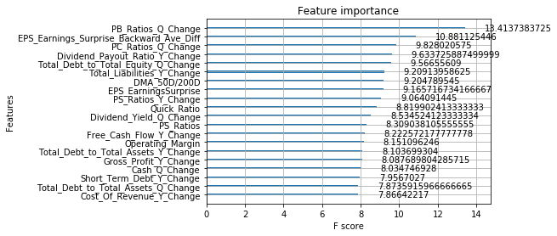
weighted avg 0.56 0.57 0.56 373 |  |  |  | weighted avg 0.61 0.62 0.61 373 | weighted avg 0.60 0.61 0.60 373 | weighted avg 0.62 0.64 0.60 373 | ('ACN', '2016 FQ1') | 1
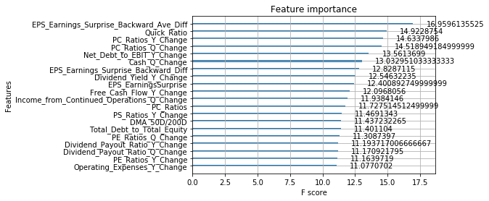
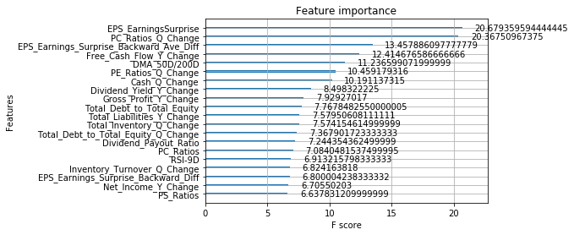
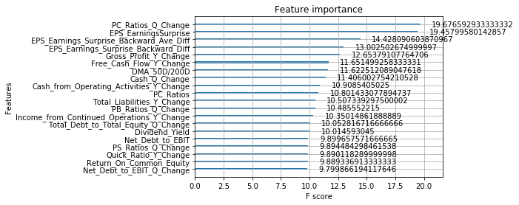
 |  |  |  |  |  |  | ('DATA', '2016 FQ4') | 0
 |  |  |  |  |  |  | ('IPGP', '2016 FQ3') | 1
 |  |  |  |  |  |  | ('AVGO', '2016 FQ4') | 1
 |  |  |  |  |  |  | ('ULTI', '2016 FQ4') | 0
 |  |  |  |  |  |  | ('SMTC', '2016 FQ3') | 1
 |  |  |  |  |  |  | ('PEGA', '2016 FQ2') | 1
 |  |  |  |  |  |  | ('CERN', '2016 FQ1') | 0
 |  |  |  |  |  |  | ('CTSH', '2016 FQ1') | 1
 |  |  |  |  |  |  | ('TER', '2016 FQ2') | 0
 |  |  |  |  |  |  | ('FIS', '2016 FQ2') | 1
 |  |  |  |  |  |  | ('FISV', '2016 FQ2') | 0
 |  |  |  |  |  |  | ('AMD', '2016 FQ1') | 1
Accuracy: 57.91% |  |  |  | Accuracy: 63.00% | Accuracy: 56.57% |  | ('FICO', '2016 FQ2') | 1
 |  |  |  |  |  |  | ('CDNS', '2016 FQ2') | 0
--precision = 0.579088, recall = 0.579088 |  |  |  | --precision = 0.630027, recall = 0.630027 | --precision = 0.565684, recall = 0.565684 |  | ('CRM', '2016 FQ2') | 1
 |  |  |  |  |  |  | ('DOX', '2016 FQ3') | 1
--precision = 0.579088, recall = 0.579088 |  |  |  | --precision = 0.630027, recall = 0.630027 | --precision = 0.565684, recall = 0.565684 |  | ('SSNC', '2016 FQ3') | 0
 |  |  |  |  |  |  | ('NCR', '2016 FQ3') | 1
precision recall f1-score support |  |  |  | precision recall f1-score support | precision recall f1-score support |  | ('AAPL', '2016 FQ1') | 0
 |  |  |  |  |  |  | ('PBI', '2016 FQ4') | 0
class 0.0 0.47 0.42 0.45 149 |  |  |  | class 0.0 0.56 0.34 0.42 149 | class 0.0 0.44 0.35 0.39 149 |  | ('MSFT', '2016 FQ2') | 0
class 1.0 0.64 0.68 0.66 224 |  |  |  | class 1.0 0.65 0.83 0.73 224 | class 1.0 0.62 0.71 0.66 224 |  | ('MXIM', '2016 FQ4') | 1
 |  |  |  |  |  |  | ('AKAM', '2016 FQ2') | 0
micro avg 0.58 0.58 0.58 373 |  |  |  | micro avg 0.63 0.63 0.63 373 | micro avg 0.57 0.57 0.57 373 |  | ('DNB', '2016 FQ4') | 0
macro avg 0.56 0.55 0.55 373 |  |  |  | macro avg 0.61 0.58 0.57 373 | macro avg 0.53 0.53 0.53 373 |  | ('TTWO', '2016 FQ3') | 1
weighted avg 0.57 0.58 0.57 373 |  |  |  | weighted avg 0.62 0.63 0.61 373 | weighted avg 0.55 0.57 0.55 373 |  | ('FTNT', '2016 FQ4') | 1
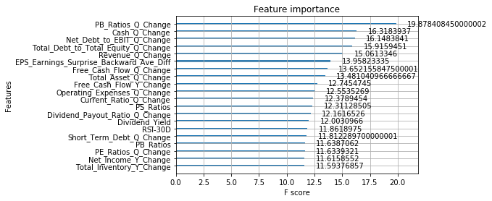
 |  |  |  |  |  |  | ('KLAC', '2016 FQ2') | 0
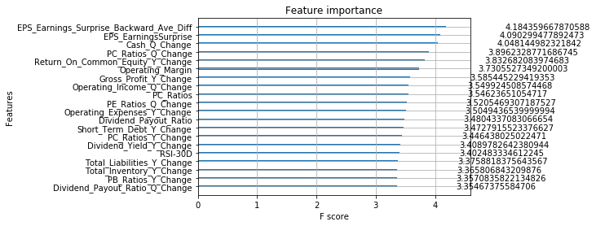
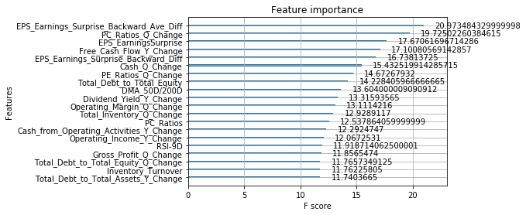
 |  |  |  |  |  |  | ('SWKS', '2016 FQ2') | 0
 |  |  |  |  |  |  | ('CTXS', '2016 FQ2') | 0
 |  |  |  |  |  |  | ('NTAP', '2016 FQ2') | 0
 |  |  |  |  |  |  | ('VMW', '2016 FQ2') | 1
 |  |  |  |  |  |  | ('HPQ', '2016 FQ2') | 1
 |  |  |  |  |  |  | ('QCOM', '2016 FQ4') | 0
 |  |  |  |  |  |  | ('IDTI', '2016 FQ1') | 1
 |  |  |  |  |  |  | ('CTXS', '2016 FQ3') | 0
 |  |  |  |  |  |  | ('CRUS', '2016 FQ3') | 1
 |  |  |  |  |  |  | ('AZPN', '2016 FQ1') | 0
 |  |  |  |  |  |  | ('DOX', '2016 FQ2') | 0
 |  |  |  |  |  |  | ('GWRE', '2016 FQ1') | 1
 |  |  |  |  |  |  | ('HPQ', '2016 FQ3') | 1
 |  |  |  |  |  |  | ('EPAM', '2016 FQ2') | 0
 |  |  |  |  |  |  | ('FICO', '2016 FQ4') | 0
 |  |  |  |  |  |  | ('SPLK', '2016 FQ3') | 0
 |  |  |  |  |  |  | ('LLTC', '2016 FQ2') | 1
 |  |  |  |  |  |  | ('IDTI', '2016 FQ3') | 0
 |  |  |  |  |  |  | ('GWRE', '2016 FQ4') | 0
 |  |  |  |  |  |  | ('BR', '2016 FQ1') | 0
 |  |  |  |  |  |  | ('NVDA', '2016 FQ2') | 1
 |  |  |  |  |  |  | ('MU', '2016 FQ3') | 1
 |  |  |  |  |  |  | ('ATHN', '2016 FQ1') | 0
 |  |  |  |  |  |  | ('EPAM', '2016 FQ1') | 0
 |  |  |  |  |  |  | ('CY', '2016 FQ1') | 1
 |  |  |  |  |  |  | ('MPWR', '2016 FQ4') | 1
 |  |  |  |  |  |  | ('MCHP', '2016 FQ3') | 1
 |  |  |  |  |  |  | ('IPGP', '2016 FQ1') | 0
 |  |  |  |  |  |  | ('KLAC', '2016 FQ3') | 1
 |  |  |  |  |  |  | ('FISV', '2016 FQ4') | 1
 |  |  |  |  |  |  | ('CDNS', '2016 FQ4') | 1
 |  |  |  |  |  |  | ('ZNGA', '2016 FQ1') | 1
 |  |  |  |  |  |  | ('KLAC', '2016 FQ4') | 0
 |  |  |  |  |  |  | ('CDNS', '2016 FQ1') | 1
 |  |  |  |  |  |  | ('RHT', '2016 FQ3') | 0
 |  |  |  |  |  |  | ('NTAP', '2016 FQ1') | 1
 |  |  |  |  |  |  | ('TYL', '2016 FQ1') | 1
 |  |  |  |  |  |  | ('SLAB', '2016 FQ3') | 1
 |  |  |  |  |  |  | ('VEEV', '2016 FQ4') | 0
 |  |  |  |  |  |  | ('MRVL', '2016 FQ3') | 0
 |  |  |  |  |  |  | ('G', '2016 FQ1') | 0
 |  |  |  |  |  |  | ('NXPI', '2016 FQ1') | 1
 |  |  |  |  |  |  | ('SMTC', '2016 FQ2') | 0
 |  |  |  |  |  |  | ('ATVI', '2016 FQ3') | 0
 |  |  |  |  |  |  | ('INTU', '2016 FQ3') | 1
 |  |  |  |  |  |  | ('UIS', '2016 FQ3') | 1
 |  |  |  |  |  |  | ('ZBRA', '2016 FQ4') | 1
 |  |  |  |  |  |  | ('SWKS', '2016 FQ3') | 1
 |  |  |  |  |  |  | ('ADSK', '2016 FQ1') | 0
 |  |  |  |  |  |  | ('MTSI', '2016 FQ4') | 1
 |  |  |  |  |  |  | ('FISV', '2016 FQ3') | 0
 |  |  |  |  |  |  | ('FTNT', '2016 FQ3') | 0
 |  |  |  |  |  |  | ('INTU', '2016 FQ1') | 1
 |  |  |  |  |  |  | ('QRVO', '2016 FQ3') | 1
 |  |  |  |  |  |  | ('CSC', '2016 FQ3') | 0
 |  |  |  |  |  |  | ('ATVI', '2016 FQ4') | 1
 |  |  |  |  |  |  | ('XPER', '2016 FQ3') | 1
 |  |  |  |  |  |  | ('BR', '2016 FQ4') | 1
 |  |  |  |  |  |  | ('MLNX', '2016 FQ1') | 0
 |  |  |  |  |  |  | ('EA', '2016 FQ1') | 1
 |  |  |  |  |  |  | ('RP', '2016 FQ3') | 0
 |  |  |  |  |  |  | ('FDC', '2016 FQ4') | 0
 |  |  |  |  |  |  | ('EA', '2016 FQ3') | 0
 |  |  |  |  |  |  | ('TER', '2016 FQ4') | 1
 |  |  |  |  |  |  | ('VMW', '2016 FQ4') | 1
 |  |  |  |  |  |  | ('SLAB', '2016 FQ4') | 1
 |  |  |  |  |  |  | ('ZBRA', '2016 FQ3') | 1
 |  |  |  |  |  |  | ('FTNT', '2016 FQ1') | 1
 |  |  |  |  |  |  | ('MCHP', '2016 FQ2') | 0
 |  |  |  |  |  |  | ('INTC', '2016 FQ1') | 1
 |  |  |  |  |  |  | ('TXN', '2016 FQ3') | 0
 |  |  |  |  |  |  | ('JKHY', '2016 FQ1') | 1
 |  |  |  |  |  |  | ('MSCI', '2016 FQ2') | 1
 |  |  |  |  |  |  | ('IBM', '2016 FQ4') | 1
 |  |  |  |  |  |  | ('CRUS', '2016 FQ4') | 1
 |  |  |  |  |  |  | ('MKSI', '2016 FQ4') | 0
 |  |  |  |  |  |  | ('ULTI', '2016 FQ3') | 0
 |  |  |  |  |  |  | ('GWRE', '2016 FQ3') | 1
 |  |  |  |  |  |  | ('CTSH', '2016 FQ3') | 0
 |  |  |  |  |  |  | ('MTSI', '2016 FQ1') | 1
 |  |  |  |  |  |  | ('MKSI', '2016 FQ2') | 1
 |  |  |  |  |  |  | ('MXIM', '2016 FQ1') | 0
 |  |  |  |  |  |  | ('AMAT', '2016 FQ1') | 1
 |  |  |  |  |  |  | ('VEEV', '2016 FQ3') | 1
 |  |  |  |  |  |  | ('IDTI', '2016 FQ2') | 1
 |  |  |  |  |  |  | ('XLNX', '2016 FQ2') | 1
 |  |  |  |  |  |  | ('PTC', '2016 FQ1') | 1
 |  |  |  |  |  |  | ('LRCX', '2016 FQ3') | 1
 |  |  |  |  |  |  | ('HPQ', '2016 FQ4') | 0
 |  |  |  |  |  |  | ('TTWO', '2016 FQ1') | 1
 |  |  |  |  |  |  | ('WDC', '2016 FQ3') | 1
 |  |  |  |  |  |  | ('MU', '2016 FQ4') | 1
 |  |  |  |  |  |  | ('CY', '2016 FQ2') | 1
 |  |  |  |  |  |  | ('G', '2016 FQ2') | 0
 |  |  |  |  |  |  | ('NTAP', '2016 FQ4') | 0
 |  |  |  |  |  |  | ('INTU', '2016 FQ4') | 0
 |  |  |  |  |  |  | ('FIS', '2016 FQ4') | 0
 |  |  |  |  |  |  | ('CRUS', '2016 FQ2') | 1
 |  |  |  |  |  |  | ('ZBRA', '2016 FQ2') | 1
 |  |  |  |  |  |  | ('PAYC', '2016 FQ3') | 0
 |  |  |  |  |  |  | ('STX', '2016 FQ4') | 1
 |  |  |  |  |  |  | ('AKAM', '2016 FQ1') | 1
 |  |  |  |  |  |  | ('NVDA', '2016 FQ1') | 0
 |  |  |  |  |  |  | ('QRVO', '2016 FQ2') | 1
 |  |  |  |  |  |  | ('MSFT', '2016 FQ3') | 0
 |  |  |  |  |  |  | ('IDTI', '2016 FQ4') | 1
 |  |  |  |  |  |  | ('ACN', '2016 FQ4') | 1
 |  |  |  |  |  |  | ('MLNX', '2016 FQ2') | 0
 |  |  |  |  |  |  | ('WDC', '2016 FQ1') | 0
 |  |  |  |  |  |  | ('NUAN', '2016 FQ4') | 0
 |  |  |  |  |  |  | ('ZBRA', '2016 FQ1') | 0
 |  |  |  |  |  |  | ('FIS', '2016 FQ1') | 1
 |  |  |  |  |  |  | ('ACN', '2016 FQ2') | 1
 |  |  |  |  |  |  | ('AAPL', '2016 FQ2') | 0
 |  |  |  |  |  |  | ('WDC', '2016 FQ2') | 1
 |  |  |  |  |  |  | ('ATVI', '2016 FQ1') | 1
 |  |  |  |  |  |  | ('NUAN', '2016 FQ1') | 1
 |  |  |  |  |  |  | ('CRUS', '2016 FQ1') | 1
 |  |  |  |  |  |  | ('TYL', '2016 FQ4') | 1
 |  |  |  |  |  |  | ('NXPI', '2016 FQ4') | 1
 |  |  |  |  |  |  | ('QRVO', '2016 FQ4') | 1
 |  |  |  |  |  |  | ('WDAY', '2016 FQ4') | 1
 |  |  |  |  |  |  | ('MPWR', '2016 FQ3') | 0
 |  |  |  |  |  |  | ('WDAY', '2016 FQ2') | 1
 |  |  |  |  |  |  | ('XPER', '2016 FQ1') | 1
 |  |  |  |  |  |  | ('XLNX', '2016 FQ3') | 1
 |  |  |  |  |  |  | ('PAYC', '2016 FQ4') | 1
 |  |  |  |  |  |  | ('MCHP', '2016 FQ1') | 1
 |  |  |  |  |  |  | ('EA', '2016 FQ4') | 1
 |  |  |  |  |  |  | ('CDNS', '2016 FQ3') | 0
 |  |  |  |  |  |  | ('AMD', '2016 FQ3') | 1
 |  |  |  |  |  |  | ('VEEV', '2016 FQ1') | 0
 |  |  |  |  |  |  | ('WDC', '2016 FQ4') | 0
 |  |  |  |  |  |  | ('MTSI', '2016 FQ2') | 0
 |  |  |  |  |  |  | ('CTSH', '2016 FQ4') | 1
 |  |  |  |  |  |  | ('HPE', '2016 FQ4') | 0
 |  |  |  |  |  |  | ('MRVL', '2016 FQ2') | 0
 |  |  |  |  |  |  | ('ADI', '2016 FQ3') | 0
 |  |  |  |  |  |  | ('FDC', '2016 FQ3') | 1
 |  |  |  |  |  |  | ('MU', '2016 FQ1') | 0
 |  |  |  |  |  |  | ('ORCL', '2016 FQ4') | 1
 |  |  |  |  |  |  | ('AMAT', '2016 FQ4') | 1
 |  |  |  |  |  |  | ('MTSI', '2016 FQ3') | 1
 |  |  |  |  |  |  | ('CSC', '2016 FQ4') | 1
 |  |  |  |  |  |  | ('NVDA', '2016 FQ4') | 1
 |  |  |  |  |  |  | ('JKHY', '2016 FQ2') | 0
 |  |  |  |  |  |  | ('ATVI', '2016 FQ2') | 1
 |  |  |  |  |  |  | ('ANSS', '2016 FQ4') | 1
 |  |  |  |  |  |  | ('ADSK', '2016 FQ4') | 1
 |  |  |  |  |  |  | ('AKAM', '2016 FQ4') | 0
 |  |  |  |  |  |  | ('SMTC', '2016 FQ1') | 0
 |  |  |  |  |  |  | ('CRM', '2016 FQ4') | 1
 |  |  |  |  |  |  | ('DATA', '2016 FQ1') | 1
 |  |  |  |  |  |  | ('MSCI', '2016 FQ4') | 1
 |  |  |  |  |  |  | ('ATHN', '2016 FQ4') | 0
 |  |  |  |  |  |  | ('NXPI', '2016 FQ2') | 0
 |  |  |  |  |  |  | ('TER', '2016 FQ1') | 0
 |  |  |  |  |  |  | ('IPGP', '2016 FQ4') | 1
 |  |  |  |  |  |  | ('NCR', '2016 FQ4') | 0
 |  |  |  |  |  |  | ('SLAB', '2016 FQ1') | 1
 |  |  |  |  |  |  | ('TTWO', '2016 FQ4') | 1
 |  |  |  |  |  |  | ('SWKS', '2016 FQ4') | 0
 |  |  |  |  |  |  | ('DATA', '2016 FQ2') | 0
 |  |  |  |  |  |  | ('SNPS', '2016 FQ2') | 1
 |  |  |  |  |  |  | ('CDK', '2016 FQ4') | 0
 |  |  |  |  |  |  | ('TDC', '2016 FQ2') | 1
 |  |  |  |  |  |  | ('BR', '2016 FQ3') | 1
 |  |  |  |  |  |  | ('PAYC', '2016 FQ1') | 1
 |  |  |  |  |  |  | ('NUAN', '2016 FQ3') | 0
 |  |  |  |  |  |  | ('XRX', '2016 FQ1') | 0
 |  |  |  |  |  |  | ('TDC', '2016 FQ1') | 1
 |  |  |  |  |  |  | ('MLNX', '2016 FQ3') | 0
 |  |  |  |  |  |  | ('ADI', '2016 FQ1') | 1
 |  |  |  |  |  |  | ('SWKS', '2016 FQ1') | 1
 |  |  |  |  |  |  | ('RHT', '2016 FQ4') | 0
 |  |  |  |  |  |  | ('CA', '2016 FQ2') | 1
 |  |  |  |  |  |  | ('WDAY', '2016 FQ1') | 0
 |  |  |  |  |  |  | ('AMAT', '2016 FQ2') | 1
 |  |  |  |  |  |  | ('ADI', '2016 FQ2') | 0
 |  |  |  |  |  |  | ('SNPS', '2016 FQ4') | 0
 |  |  |  |  |  |  | ('ADBE', '2016 FQ4') | 1
 |  |  |  |  |  |  | ('TXN', '2016 FQ2') | 1
 |  |  |  |  |  |  | ('JKHY', '2016 FQ3') | 1
 |  |  |  |  |  |  | ('UIS', '2016 FQ2') | 1
 |  |  |  |  |  |  | ('DOX', '2016 FQ4') | 0
 |  |  |  |  |  |  | ('FICO', '2016 FQ3') | 1
 |  |  |  |  |  |  | ('ADBE', '2016 FQ3') | 1
 |  |  |  |  |  |  | ('NUAN', '2016 FQ2') | 0
 |  |  |  |  |  |  | ('AZPN', '2016 FQ3') | 1
 |  |  |  |  |  |  | ('SSNC', '2016 FQ1') | 0
 |  |  |  |  |  |  | ('CERN', '2016 FQ2') | 1
 |  |  |  |  |  |  | ('MSFT', '2016 FQ1') | 1
 |  |  |  |  |  |  | ('ADBE', '2016 FQ2') | 0
 |  |  |  |  |  |  | ('NOW', '2016 FQ2') | 1
 |  |  |  |  |  |  | ('SPLK', '2016 FQ4') | 1
 |  |  |  |  |  |  | ('CAVM', '2016 FQ4') | 1
 |  |  |  |  |  |  | ('TTWO', '2016 FQ2') | 1
 |  |  |  |  |  |  | ('PTC', '2016 FQ4') | 1
 |  |  |  |  |  |  | ('ULTI', '2016 FQ2') | 0
 |  |  |  |  |  |  | ('BR', '2016 FQ2') | 1
 |  |  |  |  |  |  | ('NCR', '2016 FQ2') | 1
 |  |  |  |  |  |  | ('DOX', '2016 FQ1') | 1
 |  |  |  |  |  |  | ('VMW', '2016 FQ1') | 1
 |  |  |  |  |  |  | ('STX', '2016 FQ1') | 0
 |  |  |  |  |  |  | ('MPWR', '2016 FQ1') | 1
 |  |  |  |  |  |  | ('TXN', '2016 FQ1') | 1
 |  |  |  |  |  |  | ('PBI', '2016 FQ1') | 0
 |  |  |  |  |  |  | ('XLNX', '2016 FQ1') | 1
 |  |  |  |  |  |  | ('SMTC', '2016 FQ4') | 1
 |  |  |  |  |  |  | ('MLNX', '2016 FQ4') | 1
 |  |  |  |  |  |  | ('LRCX', '2016 FQ1') | 1
 |  |  |  |  |  |  | ('PTC', '2016 FQ2') | 1
 |  |  |  |  |  |  | ('G', '2016 FQ4') | 0
 |  |  |  |  |  |  | ('CA', '2016 FQ1') | 0
 |  |  |  |  |  |  | ('LRCX', '2016 FQ2') | 1
 |  |  |  |  |  |  | ('STX', '2016 FQ3') | 0
 |  |  |  |  |  |  | ('DNB', '2016 FQ1') | 1
 |  |  |  |  |  |  | ('PAYC', '2016 FQ2') | 1
 |  |  |  |  |  |  | ('IBM', '2016 FQ3') | 1
 |  |  |  |  |  |  | ('XRX', '2016 FQ3') | 0
 |  |  |  |  |  |  | ('TYL', '2016 FQ2') | 1
 |  |  |  |  |  |  | ('SPLK', '2016 FQ2') | 0
 |  |  |  |  |  |  | ('PAYX', '2016 FQ1') | 1
 |  |  |  |  |  |  | ('ADBE', '2016 FQ1') | 1
 |  |  |  |  |  |  | ('LLTC', '2016 FQ3') | 1
 |  |  |  |  |  |  | ('LRCX', '2016 FQ4') | 1
 |  |  |  |  |  |  | ('ORCL', '2016 FQ2') | 0
 |  |  |  |  |  |  | ('DATA', '2016 FQ3') | 0
 |  |  |  |  |  |  | ('FIS', '2016 FQ3') | 0
 |  |  |  |  |  |  | ('DNB', '2016 FQ2') | 1
 |  |  |  |  |  |  | ('NOW', '2016 FQ1') | 1
 |  |  |  |  |  |  | ('ANSS', '2016 FQ3') | 0
 |  |  |  |  |  |  | ('AAPL', '2016 FQ3') | 1
 |  |  |  |  |  |  | ('ZNGA', '2016 FQ3') | 0
 |  |  |  |  |  |  | ('AVGO', '2016 FQ1') | 1
 |  |  |  |  |  |  | ('XRX', '2016 FQ2') | 0
 |  |  |  |  |  |  | ('MCHP', '2016 FQ4') | 1
 |  |  |  |  |  |  | ('NVDA', '2016 FQ3') | 1
 |  |  |  |  |  |  | ('KLAC', '2016 FQ1') | 1
 |  |  |  |  |  |  | ('AMD', '2016 FQ2') | 1
 |  |  |  |  |  |  | ('AZPN', '2016 FQ4') | 1
 |  |  |  |  |  |  | ('ORCL', '2016 FQ1') | 0
 |  |  |  |  |  |  | ('TDC', '2016 FQ4') | 0
 |  |  |  |  |  |  | ('RP', '2016 FQ2') | 1
 |  |  |  |  |  |  | ('MSCI', '2016 FQ1') | 1
 |  |  |  |  |  |  | ('NTAP', '2016 FQ3') | 1
 |  |  |  |  |  |  | ('PEGA', '2016 FQ1') | 1
 |  |  |  |  |  |  | ('ULTI', '2016 FQ1') | 1
 |  |  |  |  |  |  | ('LLTC', '2016 FQ4') | 0
 |  |  |  |  |  |  | ('QCOM', '2016 FQ2') | 1
 |  |  |  |  |  |  | ('CY', '2016 FQ3') | 1
 |  |  |  |  |  |  | ('CDK', '2016 FQ3') | 1
 |  |  |  |  |  |  | ('LDOS', '2016 FQ4') | 0
 |  |  |  |  |  |  | ('DNB', '2016 FQ3') | 0
 |  |  |  |  |  |  | ('CDK', '2016 FQ2') | 0
 |  |  |  |  |  |  | ('AMD', '2016 FQ4') | 1
 |  |  |  |  |  |  | ('JKHY', '2016 FQ4') | 0
 |  |  |  |  |  |  | ('ATHN', '2016 FQ3') | 0
 |  |  |  |  |  |  | ('MRVL', '2016 FQ1') | 0
 |  |  |  |  |  |  | ('CRM', '2016 FQ1') | 1
 |  |  |  |  |  |  | ('TYL', '2016 FQ3') | 0
 |  |  |  |  |  |  | ('FICO', '2016 FQ1') | 1
 |  |  |  |  |  |  | ('STX', '2016 FQ2') | 1
 |  |  |  |  |  |  | ('ATHN', '2016 FQ2') | 0
 |  |  |  |  |  |  | ('AZPN', '2016 FQ2') | 1
 |  |  |  |  |  |  | ('CRM', '2016 FQ3') | 1
 |  |  |  |  |  |  | ('PEGA', '2016 FQ3') | 1
 |  |  |  |  |  |  | ('TER', '2016 FQ3') | 1
 |  |  |  |  |  |  | ('RHT', '2016 FQ2') | 1
 |  |  |  |  |  |  | ('UIS', '2016 FQ1') | 1
 |  |  |  |  |  |  | ('IPGP', '2016 FQ2') | 1
 |  |  |  |  |  |  | ('AVGO', '2016 FQ3') | 0
 |  |  |  |  |  |  | ('NOW', '2016 FQ4') | 0
 |  |  |  |  |  |  | ('CERN', '2016 FQ3') | 0
 |  |  |  |  |  |  | ('IBM', '2016 FQ2') | 0
 |  |  |  |  |  |  | ('ADSK', '2016 FQ3') | 0
 |  |  |  |  |  |  | ('RP', '2016 FQ4') | 1
 |  |  |  |  |  |  | ('ADI', '2016 FQ4') | 0
 |  |  |  |  |  |  | ('ZNGA', '2016 FQ4') | 1
 |  |  |  |  |  |  | ('CAVM', '2016 FQ3') | 1
 |  |  |  |  |  |  | ('MXIM', '2016 FQ3') | 1
 |  |  |  |  |  |  | ('CDK', '2016 FQ1') | 0
 |  |  |  |  |  |  | ('NCR', '2016 FQ1') | 0
 |  |  |  |  |  |  | ('TXN', '2016 FQ4') | 0
 |  |  |  |  |  |  | ('ORCL', '2016 FQ3') | 1
 |  |  |  |  |  |  | ('SLAB', '2016 FQ2') | 1
 |  |  |  |  |  |  | ('CA', '2016 FQ3') | 1
 |  |  |  |  |  |  | ('INTC', '2016 FQ4') | 0
 |  |  |  |  |  |  | ('MU', '2016 FQ2') | 0
 |  |  |  |  |  |  | ('MSFT', '2016 FQ4') | 1
 |  |  |  |  |  |  | ('TDC', '2016 FQ3') | 0
 |  |  |  |  |  |  | ('PAYX', '2016 FQ4') | 1
 |  |  |  |  |  |  | ('G', '2016 FQ3') | 0
 |  |  |  |  |  |  | ('ANSS', '2016 FQ2') | 1
 |  |  |  |  |  |  | ('PAYX', '2016 FQ2') | 0
 |  |  |  |  |  |  | ('MRVL', '2016 FQ4') | 1
 |  |  |  |  |  |  | ('CERN', '2016 FQ4') | 1
 |  |  |  |  |  |  | ('CTXS', '2016 FQ4') | 1
 |  |  |  |  |  |  | ('NOW', '2016 FQ3') | 0
 |  |  |  |  |  |  | ('PAYX', '2016 FQ3') | 0
 |  |  |  |  |  |  | ('AMAT', '2016 FQ3') | 1
 |  |  |  |  |  |  | ('XPER', '2016 FQ4') | 0
 |  |  |  |  |  |  | ('EA', '2016 FQ2') | 0
 |  |  |  |  |  |  | ('QCOM', '2016 FQ1') | 1
 |  |  |  |  |  |  | ('MSCI', '2016 FQ3') | 0
 |  |  |  |  |  |  | ('IBM', '2016 FQ1') | 1
 |  |  |  |  |  |  | ('RP', '2016 FQ1') | 1
 |  |  |  |  |  |  | ('SPLK', '2016 FQ1') | 1
 |  |  |  |  |  |  | ('SSNC', '2016 FQ2') | 1
 |  |  |  |  |  |  | ('XLNX', '2016 FQ4') | 0
 |  |  |  |  |  |  | ('MKSI', '2016 FQ3') | 1
 |  |  |  |  |  |  | ('SNPS', '2016 FQ1') | 1
 |  |  |  |  |  |  | ('LLTC', '2016 FQ1') | 1
 |  |  |  |  |  |  | ('FTNT', '2016 FQ2') | 0
 |  |  |  |  |  |  | ('INTU', '2016 FQ2') | 0
 |  |  |  |  |  |  | ('MKSI', '2016 FQ1') | 1
 |  |  |  |  |  |  | ('VMW', '2016 FQ3') | 1
 |  |  |  |  |  |  | ('INTC', '2016 FQ3') | 0
 |  |  |  |  |  |  | ('CY', '2016 FQ4') | 1

2015
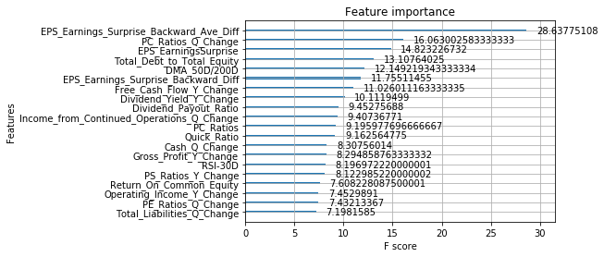
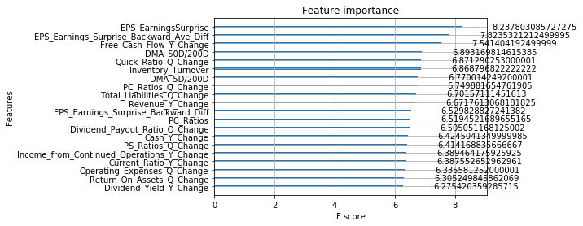
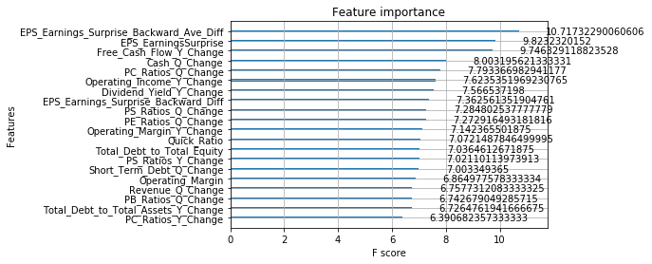
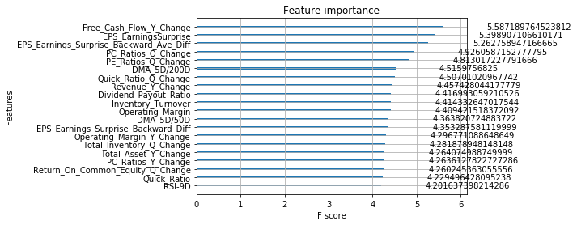
 |  |  |  | 1. Exclude certain data points. These excluded data points are the last two quarters of companies that ceased to trade
Target: |  |  |  | 2. Exclude those quarters during the two financial crisis
2015 Technology | training | 3644 |  | 3. Exclude any data points before 2003
 | validation | 404 | 10%
 | testing | 356

Model Params |  |  |  | Model Params |  | Model Params |  | Model Params
GA results:eta = 0.120000, max_depth = 1, colsample_bytree = 0.220000, subsample = 0.940000, gamma = 0.280000, min_child_weight = 3 |  |  |  | GA results:eta = 0.080000, max_depth = 2, colsample_bytree = 0.500000, subsample = 0.700000, gamma = 0.440000, min_child_weight = 7 |  | GA results:eta = 0.020000, max_depth = 3, colsample_bytree = 0.580000, subsample = 0.340000, gamma = 0.680000, min_child_weight = 2

Results |  |  |  | Results |  | Results |  | Results
Accuracy: 60.96% |  |  |  | Accuracy: 61.80% |  | Accuracy: 60.39% |  | Accuracy: 60.67%

--precision = 0.609551, recall = 0.609551 |  |  |  | --precision = 0.617978, recall = 0.617978 |  | --precision = 0.603933, recall = 0.603933 |  | --precision = 0.606742, recall = 0.606742

--precision = 0.609551, recall = 0.609551 |  |  |  | --precision = 0.617978, recall = 0.617978 |  | --precision = 0.603933, recall = 0.603933 |  | --precision = 0.606742, recall = 0.606742

precision recall f1-score support |  |  |  | precision recall f1-score support |  | precision recall f1-score support |  | precision recall f1-score support

class 0.0 0.52 0.39 0.45 144 |  |  |  | class 0.0 0.53 0.47 0.50 144 |  | class 0.0 0.52 0.35 0.42 144 |  | class 0.0 0.52 0.47 0.49 144
class 1.0 0.65 0.76 0.70 212 |  |  |  | class 1.0 0.67 0.72 0.69 212 |  | class 1.0 0.64 0.77 0.70 212 |  | class 1.0 0.66 0.70 0.68 212

micro avg 0.61 0.61 0.61 356 |  |  |  | micro avg 0.62 0.62 0.62 356 |  | micro avg 0.60 0.60 0.60 356 |  | micro avg 0.61 0.61 0.61 356
macro avg 0.58 0.57 0.57 356 |  |  |  | macro avg 0.60 0.59 0.59 356 |  | macro avg 0.58 0.56 0.56 356 |  | macro avg 0.59 0.59 0.59 356
weighted avg 0.60 0.61 0.60 356 |  |  |  | weighted avg 0.61 0.62 0.61 356 |  | weighted avg 0.59 0.60 0.59 356 |  | weighted avg 0.60 0.61 0.60 356
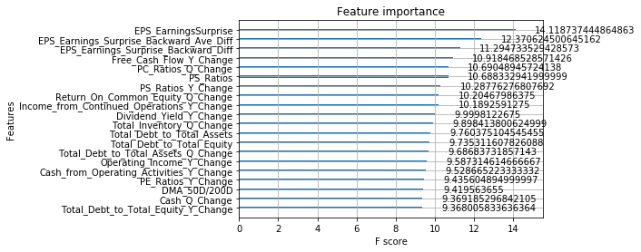
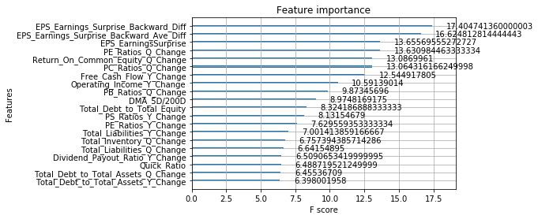
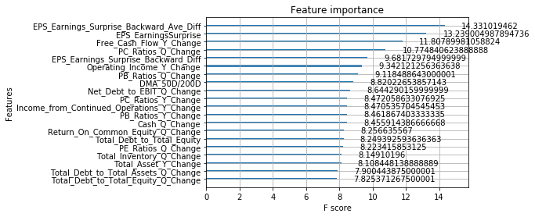
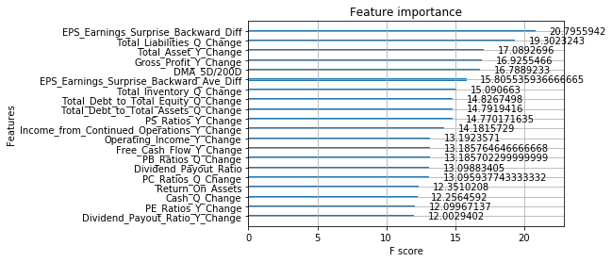

Accuracy: 61.52% |  |  |  |  | Accuracy: 57.30% |  | Accuracy: 59.55% |  | Accuracy: 59.83%

--precision = 0.615169, recall = 0.615169 |  |  |  |  | --precision = 0.573034, recall = 0.573034 |  | --precision = 0.595506, recall = 0.595506 |  | --precision = 0.598315, recall = 0.598315

--precision = 0.615169, recall = 0.615169 |  |  |  |  | --precision = 0.573034, recall = 0.573034 |  | --precision = 0.595506, recall = 0.595506 |  | --precision = 0.598315, recall = 0.598315

precision recall f1-score support |  |  |  |  | precision recall f1-score support |  | precision recall f1-score support |  | precision recall f1-score support

class 0.0 0.53 0.44 0.48 144 |  |  |  |  | class 0.0 0.47 0.47 0.47 144 |  | class 0.0 0.50 0.38 0.43 144 |  | class 0.0 0.50 0.47 0.48 144
class 1.0 0.66 0.74 0.69 212 |  |  |  |  | class 1.0 0.64 0.64 0.64 212 |  | class 1.0 0.64 0.74 0.69 212 |  | class 1.0 0.65 0.69 0.67 212

micro avg 0.62 0.62 0.62 356 |  |  |  |  | micro avg 0.57 0.57 0.57 356 |  | micro avg 0.60 0.60 0.60 356 |  | micro avg 0.60 0.60 0.60 356
macro avg 0.59 0.59 0.59 356 |  |  |  |  | macro avg 0.56 0.56 0.56 356 |  | macro avg 0.57 0.56 0.56 356 |  | macro avg 0.58 0.58 0.58 356
weighted avg 0.61 0.62 0.61 356 |  |  |  |  | weighted avg 0.57 0.57 0.57 356 |  | weighted avg 0.58 0.60 0.58 356 |  | weighted avg 0.59 0.60 0.60 356

